LoadRegulation
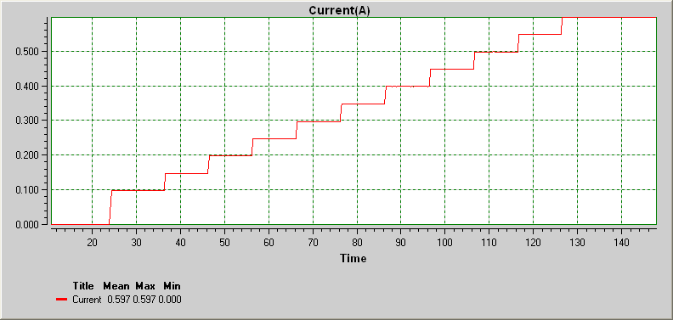
Test setup : DC electronic load connected and programmed for 50ma steps from 0 to 600ma load @ 10s intervals | Full Load Valid cells where curret sinked = N647 to N709
 | Load regulation = {V(nolad)- V(load)}/ V(noload) |  | Power Eff. (min)= | 0.4921686747
 | V(noload) | 8.39 | Power Eff. (max.) | 0.73446893788 | This is at max load hence well add a note
 | V(fullload) | 8.1788888889
 | Load regulation = | 0.025162230168

 | Current(X) | Current(Y) | Power (AC) | Eff. | Voltage(X) | Voltage(Y) | Resistance(X) | Resistance(Y) | Power(X) | Power(Y)
 | 3.9999996778 | 0 |  |  | 4.0159998927 | 8.39 | 4.0159998927 | 0 | 4.0159998927 | 0
 | 4.1559998877 | 0 |  |  | 4.1720001027 | 8.39 | 4.1720001027 | 0 | 4.1720001027 | 0
 | 4.3119994691 | 0 |  |  | 4.327999684 | 8.39 | 4.327999684 | 0 | 4.327999684 | 0
 | 4.4689998496 | 0 |  |  | 4.4850000646 | 8.39 | 4.4850000646 | 0 | 4.4850000646 | 0
 | 4.6250000596 | 0 |  |  | 4.6410002746 | 8.39 | 4.6410002746 | 0 | 4.6410002746 | 0
 | 4.7809996409 | 0 |  |  | 4.7969998559 | 8.39 | 4.7969998559 | 0 | 4.7969998559 | 0
 | 4.9369998509 | 0 |  |  | 4.9530000659 | 8.39 | 4.9530000659 | 0 | 4.9530000659 | 0
 | 5.0939996028 | 0 |  |  | 5.1099998178 | 8.39 | 5.1099998178 | 0 | 5.1099998178 | 0
 | 5.2499998128 | 0 |  |  | 5.2660000278 | 8.39 | 5.2660000278 | 0 | 5.2660000278 | 0
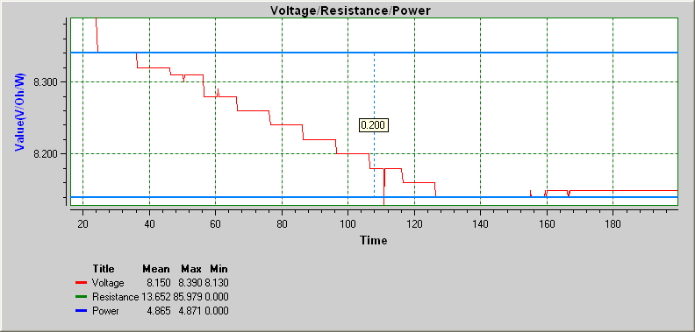
 | 5.4060000228 | 0 |  |  | 5.4220002377 | 8.39 | 5.4220002377 | 0 | 5.4220002377 | 0
 | 5.5469995597 | 0 |  |  | 5.5629997747 | 8.39 | 5.5629997747 | 0 | 5.5629997747 | 0
 | 5.7499996154 | 0 |  |  | 5.7659998303 | 8.39 | 5.7659998303 | 0 | 5.7659998303 | 0
 | 5.874999566 | 0 |  |  | 5.890999781 | 8.39 | 5.890999781 | 0 | 5.890999781 | 0
 | 6.030999776 | 0 |  |  | 6.0469999909 | 8.39 | 6.0469999909 | 0 | 6.0469999909 | 0
 | 6.1719999416 | 0 |  |  | 6.1880001565 | 8.39 | 6.1880001565 | 0 | 6.1880001565 | 0
 | 6.3439997379 | 0 |  |  | 6.3599999528 | 8.39 | 6.3599999528 | 0 | 6.3599999528 | 0
 | 6.4999999478 | 0 |  |  | 6.5160001628 | 8.39 | 6.5160001628 | 0 | 6.5160001628 | 0
 | 6.6559995292 | 0 |  |  | 6.6719997441 | 8.39 | 6.6719997441 | 0 | 6.6719997441 | 0
 | 6.8279999541 | 0 |  |  | 6.8440001691 | 8.39 | 6.8440001691 | 0 | 6.8440001691 | 0
 | 6.9689994911 | 0 |  |  | 6.984999706 | 8.39 | 6.984999706 | 0 | 6.984999706 | 0
 | 7.124999701 | 0 |  |  | 7.140999916 | 8.39 | 7.140999916 | 0 | 7.140999916 | 0
 | 7.280999911 | 0 |  |  | 7.297000126 | 8.39 | 7.297000126 | 0 | 7.297000126 | 0
 | 7.4369994923 | 0 |  |  | 7.4529997073 | 8.39 | 7.4529997073 | 0 | 7.4529997073 | 0
 | 7.5939998729 | 0 |  |  | 7.6100000879 | 8.39 | 7.6100000879 | 0 | 7.6100000879 | 0
 | 7.7500000829 | 0 |  |  | 7.7660002979 | 8.39 | 7.7660002979 | 0 | 7.7660002979 | 0
 | 7.9059996642 | 0 |  |  | 7.9219998792 | 8.39 | 7.9219998792 | 0 | 7.9219998792 | 0
 | 8.0619998742 | 0 |  |  | 8.0780000892 | 8.39 | 8.0780000892 | 0 | 8.0780000892 | 0
 | 8.2189996261 | 0 |  |  | 8.2349998411 | 8.39 | 8.2349998411 | 0 | 8.2349998411 | 0
 | 8.3749998361 | 0 |  |  | 8.3910000511 | 8.39 | 8.3910000511 | 0 | 8.3910000511 | 0
 | 8.5310000461 | 0 |  |  | 8.547000261 | 8.39 | 8.547000261 | 0 | 8.547000261 | 0
 | 8.6869996274 | 0 |  |  | 8.7029998424 | 8.39 | 8.7029998424 | 0 | 8.7029998424 | 0
 | 8.844000008 | 0 |  |  | 8.8600002229 | 8.39 | 8.8600002229 | 0 | 8.8600002229 | 0
 | 8.9999995893 | 0 |  |  | 9.0159998043 | 8.39 | 9.0159998043 | 0 | 9.0159998043 | 0
 | 9.1559997993 | 0 |  |  | 9.1720000142 | 8.39 | 9.1720000142 | 0 | 9.1720000142 | 0
 | 9.3120000092 | 0 |  |  | 9.3280002242 | 8.39 | 9.3280002242 | 0 | 9.3280002242 | 0
 | 9.4689997612 | 0 |  |  | 9.4849999761 | 8.39 | 9.4849999761 | 0 | 9.4849999761 | 0
 | 9.6249999711 | 0 |  |  | 9.6410001861 | 8.39 | 9.6410001861 | 0 | 9.6410001861 | 0
 | 9.7809995525 | 0 |  |  | 9.7969997674 | 8.39 | 9.7969997674 | 0 | 9.7969997674 | 0
 | 9.9369997624 | 0 |  |  | 9.9529999774 | 8.39 | 9.9529999774 | 0 | 9.9529999774 | 0
 | 10.093999514 | 0 |  |  | 10.109999729 | 8.39 | 10.109999729 | 0 | 10.109999729 | 0
 | 10.249999724 | 0 |  |  | 10.265999939 | 8.39 | 10.265999939 | 0 | 10.265999939 | 0
 | 10.436999565 | 0 |  |  | 10.45299978 | 8.39 | 10.45299978 | 0 | 10.45299978 | 0
 | 10.561999516 | 0 |  |  | 10.577999731 | 8.39 | 10.577999731 | 0 | 10.577999731 | 0
 | 10.718999896 | 0 |  |  | 10.735000111 | 8.39 | 10.735000111 | 0 | 10.735000111 | 0
 | 10.874999478 | 0 |  |  | 10.890999692 | 8.39 | 10.890999692 | 0 | 10.890999692 | 0
 | 11.030999688 | 0 |  |  | 11.046999902 | 8.39 | 11.046999902 | 0 | 11.046999902 | 0
 | 11.171999853 | 0 |  |  | 11.188000068 | 8.39 | 11.188000068 | 0 | 11.188000068 | 0
 | 11.343999649 | 0 |  |  | 11.359999864 | 8.39 | 11.359999864 | 0 | 11.359999864 | 0
 | 11.514999904 | 0 |  |  | 11.531000119 | 8.39 | 11.531000119 | 0 | 11.531000119 | 0
 | 11.656000069 | 0 |  |  | 11.672000284 | 8.39 | 11.672000284 | 0 | 11.672000284 | 0
 | 11.811999651 | 0 |  |  | 11.827999866 | 8.39 | 11.827999866 | 0 | 11.827999866 | 0
 | 11.969000031 | 0 |  |  | 11.985000246 | 8.39 | 11.985000246 | 0 | 11.985000246 | 0
 | 12.124999613 | 0 |  |  | 12.140999828 | 8.39 | 12.140999828 | 0 | 12.140999828 | 0
 | 12.280999823 | 0 |  |  | 12.297000038 | 8.39 | 12.297000038 | 0 | 12.297000038 | 0
 | 12.437000033 | 0 |  |  | 12.453000247 | 8.39 | 12.453000247 | 0 | 12.453000247 | 0
 | 12.593999784 | 0 |  |  | 12.609999999 | 8.39 | 12.609999999 | 0 | 12.609999999 | 0
 | 12.749999994 | 0 |  |  | 12.766000209 | 8.39 | 12.766000209 | 0 | 12.766000209 | 0
 | 12.905999576 | 0 |  |  | 12.921999791 | 8.39 | 12.921999791 | 0 | 12.921999791 | 0
 | 13.061999786 | 0 |  |  | 13.078000001 | 8.39 | 13.078000001 | 0 | 13.078000001 | 0
 | 13.218999538 | 0 |  |  | 13.234999753 | 8.39 | 13.234999753 | 0 | 13.234999753 | 0
 | 13.374999748 | 0 |  |  | 13.390999963 | 8.39 | 13.390999963 | 0 | 13.390999963 | 0
 | 14.046999975 | 0 |  |  | 14.06300019 | 8.39 | 14.06300019 | 0 | 14.06300019 | 0
 | 14.18699997 | 0 |  |  | 14.203000185 | 8.39 | 14.203000185 | 0 | 14.203000185 | 0
 | 14.343999722 | 0 |  |  | 14.359999937 | 8.39 | 14.359999937 | 0 | 14.359999937 | 0
 | 14.499999932 | 0 |  |  | 14.516000147 | 8.39 | 14.516000147 | 0 | 14.516000147 | 0
 | 14.655999513 | 0 |  |  | 14.671999728 | 8.39 | 14.671999728 | 0 | 14.671999728 | 0
 | 14.811999723 | 0 |  |  | 14.827999938 | 8.39 | 14.827999938 | 0 | 14.827999938 | 0
 | 14.98399952 | 0 |  |  | 14.999999735 | 8.39 | 14.999999735 | 0 | 14.999999735 | 0
 | 15.124999685 | 0 |  |  | 15.1409999 | 8.39 | 15.1409999 | 0 | 15.1409999 | 0
 | 15.280999895 | 0 |  |  | 15.29700011 | 8.39 | 15.29700011 | 0 | 15.29700011 | 0
 | 15.436999477 | 0 |  |  | 15.452999691 | 8.39 | 15.452999691 | 0 | 15.452999691 | 0
 | 15.593999857 | 0 |  |  | 15.610000072 | 8.39 | 15.610000072 | 0 | 15.610000072 | 0
 | 15.750000067 | 0 |  |  | 15.766000282 | 8.39 | 15.766000282 | 0 | 15.766000282 | 0
 | 15.905999648 | 0 |  |  | 15.921999863 | 8.39 | 15.921999863 | 0 | 15.921999863 | 0
 | 16.061999858 | 0 |  |  | 16.078000073 | 8.39 | 16.078000073 | 0 | 16.078000073 | 0
 | 16.21899961 | 0 |  |  | 16.234999825 | 8.39 | 16.234999825 | 0 | 16.234999825 | 0
 | 16.37499982 | 0 |  |  | 16.391000035 | 8.39 | 16.391000035 | 0 | 16.391000035 | 0
 | 16.53100003 | 0 |  |  | 16.547000245 | 8.39 | 16.547000245 | 0 | 16.547000245 | 0
 | 16.686999612 | 0 |  |  | 16.702999827 | 8.39 | 16.702999827 | 0 | 16.702999827 | 0
 | 16.843999992 | 0 |  |  | 16.860000207 | 8.39 | 16.860000207 | 0 | 16.860000207 | 0
 | 16.999999573 | 0 |  |  | 17.015999788 | 8.39 | 17.015999788 | 0 | 17.015999788 | 0
 | 17.155999783 | 0 |  |  | 17.171999998 | 8.39 | 17.171999998 | 0 | 17.171999998 | 0
 | 17.311999993 | 0 |  |  | 17.328000208 | 8.39 | 17.328000208 | 0 | 17.328000208 | 0
 | 17.468999745 | 0 |  |  | 17.48499996 | 8.39 | 17.48499996 | 0 | 17.48499996 | 0
 | 17.655999586 | 0 |  |  | 17.671999801 | 8.39 | 17.671999801 | 0 | 17.671999801 | 0
 | 17.780999537 | 0 |  |  | 17.796999752 | 8.39 | 17.796999752 | 0 | 17.796999752 | 0
 | 17.936999747 | 0 |  |  | 17.952999962 | 8.39 | 17.952999962 | 0 | 17.952999962 | 0
 | 18.108999543 | 0 |  |  | 18.124999758 | 8.39 | 18.124999758 | 0 | 18.124999758 | 0
 | 18.249999708 | 0 |  |  | 18.265999923 | 8.39 | 18.265999923 | 0 | 18.265999923 | 0
 | 18.405999918 | 0 |  |  | 18.422000133 | 8.39 | 18.422000133 | 0 | 18.422000133 | 0
 | 18.5619995 | 0 |  |  | 18.577999715 | 8.39 | 18.577999715 | 0 | 18.577999715 | 0
 | 18.733999925 | 0 |  |  | 18.75000014 | 8.39 | 18.75000014 | 0 | 18.75000014 | 0
 | 18.87500009 | 0 |  |  | 18.891000305 | 8.39 | 18.891000305 | 0 | 18.891000305 | 0
 | 19.030999672 | 0 |  |  | 19.046999887 | 8.39 | 19.046999887 | 0 | 19.046999887 | 0
 | 19.186999882 | 0 |  |  | 19.203000097 | 8.39 | 19.203000097 | 0 | 19.203000097 | 0
 | 19.343999634 | 0 |  |  | 19.359999849 | 8.39 | 19.359999849 | 0 | 19.359999849 | 0
 | 19.499999844 | 0 |  |  | 19.516000059 | 8.39 | 19.516000059 | 0 | 19.516000059 | 0
 | 19.656000054 | 0 |  |  | 19.672000268 | 8.39 | 19.672000268 | 0 | 19.672000268 | 0
 | 19.811999635 | 0 |  |  | 19.82799985 | 8.39 | 19.82799985 | 0 | 19.82799985 | 0
 | 19.969000015 | 0 |  |  | 19.98500023 | 8.39 | 19.98500023 | 0 | 19.98500023 | 0
 | 20.124999597 | 0 |  |  | 20.140999812 | 8.39 | 20.140999812 | 0 | 20.140999812 | 0
 | 20.280999807 | 0 |  |  | 20.297000022 | 8.39 | 20.297000022 | 0 | 20.297000022 | 0
 | 20.437000017 | 0 |  |  | 20.453000232 | 8.39 | 20.453000232 | 0 | 20.453000232 | 0
 | 20.593999769 | 0 |  |  | 20.609999984 | 8.39 | 20.609999984 | 0 | 20.609999984 | 0
 | 20.749999979 | 0 |  |  | 20.766000194 | 8.39 | 20.766000194 | 0 | 20.766000194 | 0
 | 20.90599956 | 0 |  |  | 20.921999775 | 8.39 | 20.921999775 | 0 | 20.921999775 | 0
 | 21.046999726 | 0 |  |  | 21.06299994 | 8.39 | 21.06299994 | 0 | 21.06299994 | 0
 | 21.264999826 | 0 |  |  | 21.28100004 | 8.39 | 21.28100004 | 0 | 21.28100004 | 0
 | 21.374999732 | 0 |  |  | 21.390999947 | 8.39 | 21.390999947 | 0 | 21.390999947 | 0
 | 21.530999942 | 0 |  |  | 21.547000157 | 8.39 | 21.547000157 | 0 | 21.547000157 | 0
 | 21.686999523 | 0 |  |  | 21.702999738 | 8.39 | 21.702999738 | 0 | 21.702999738 | 0
 | 21.843999904 | 0 |  |  | 21.860000119 | 8.39 | 21.860000119 | 0 | 21.860000119 | 0
 | 21.999999485 | 0 |  |  | 22.0159997 | 8.39 | 22.0159997 | 0 | 22.0159997 | 0
 | 22.155999695 | 0 |  |  | 22.17199991 | 8.39 | 22.17199991 | 0 | 22.17199991 | 0
 | 22.343999706 | 0 |  |  | 22.359999921 | 8.39 | 22.359999921 | 0 | 22.359999921 | 0
 | 22.468999657 | 0 |  |  | 22.484999872 | 8.39 | 22.484999872 | 0 | 22.484999872 | 0
 | 22.702999972 | 0 |  |  | 22.719000187 | 8.39 | 22.719000187 | 0 | 22.719000187 | 0
 | 22.936999658 | 0 |  |  | 22.952999873 | 8.39 | 22.952999873 | 0 | 22.952999873 | 0
 | 23.094000039 | 0 |  |  | 23.110000254 | 8.39 | 23.110000254 | 0 | 23.110000254 | 0
 | 23.24999962 | 0 |  |  | 23.265999835 | 8.39 | 23.265999835 | 0 | 23.265999835 | 0
 | 23.422000045 | 0 |  |  | 23.43800026 | 8.39 | 23.43800026 | 0 | 23.43800026 | 0
 | 23.56200004 | 0 |  |  | 23.578000255 | 8.39 | 23.578000255 | 0 | 23.578000255 | 0
 | 23.718999792 | 0 |  |  | 23.735000007 | 8.39 | 23.735000007 | 0 | 23.735000007 | 0
 | 23.875000002 | 0 |  |  | 23.891000217 | 8.39 | 23.891000217 | 0 | 23.891000217 | 0
 | 24.514999799 | 0.098 | 1.56 | 0.52371794872 | 24.531000014 | 8.34 | 24.531000014 | 85.102040816 | 24.531000014 | 0.817
 | 24.655999965 | 0.098 | 1.66 | 0.4921686747 | 24.67200018 | 8.34 | 24.67200018 | 85.102040816 | 24.67200018 | 0.817
 | 24.811999546 | 0.098 |  |  | 24.827999761 | 8.34 | 24.827999761 | 85.102040816 | 24.827999761 | 0.817
 | 24.968999927 | 0.098 |  |  | 24.985000142 | 8.34 | 24.985000142 | 85.102040816 | 24.985000142 | 0.817
 | 25.124999508 | 0.098 |  |  | 25.140999723 | 8.34 | 25.140999723 | 85.102040816 | 25.140999723 | 0.817
 | 25.280999718 | 0.098 |  |  | 25.296999933 | 8.34 | 25.296999933 | 85.102040816 | 25.296999933 | 0.817
 | 25.452999515 | 0.098 |  |  | 25.468999729 | 8.34 | 25.468999729 | 85.102040816 | 25.468999729 | 0.817
 | 25.59399968 | 0.098 |  |  | 25.609999895 | 8.34 | 25.609999895 | 85.102040816 | 25.609999895 | 0.817
 | 25.74999989 | 0.098 |  |  | 25.766000105 | 8.34 | 25.766000105 | 85.102040816 | 25.766000105 | 0.817
 | 25.905999471 | 0.098 |  |  | 25.921999686 | 8.34 | 25.921999686 | 85.102040816 | 25.921999686 | 0.817
 | 26.061999681 | 0.098 |  |  | 26.077999896 | 8.34 | 26.077999896 | 85.102040816 | 26.077999896 | 0.817
 | 26.733999909 | 0.098 |  |  | 26.750000124 | 8.34 | 26.750000124 | 85.102040816 | 26.750000124 | 0.817
 | 26.88999949 | 0.098 |  |  | 26.905999705 | 8.34 | 26.905999705 | 85.102040816 | 26.905999705 | 0.817
 | 27.046999871 | 0.098 |  |  | 27.063000086 | 8.34 | 27.063000086 | 85.102040816 | 27.063000086 | 0.817
 | 27.203000081 | 0.098 |  |  | 27.219000296 | 8.34 | 27.219000296 | 85.102040816 | 27.219000296 | 0.817
 | 27.389999921 | 0.098 |  |  | 27.406000136 | 8.34 | 27.406000136 | 85.102040816 | 27.406000136 | 0.817
 | 27.514999872 | 0.098 |  |  | 27.531000087 | 8.34 | 27.531000087 | 85.102040816 | 27.531000087 | 0.817
 | 27.671999624 | 0.098 |  |  | 27.687999839 | 8.34 | 27.687999839 | 85.102040816 | 27.687999839 | 0.817
 | 27.827999834 | 0.098 |  |  | 27.844000049 | 8.34 | 27.844000049 | 85.102040816 | 27.844000049 | 0.817
 | 27.984000044 | 0.098 |  |  | 28.000000259 | 8.34 | 28.000000259 | 85.102040816 | 28.000000259 | 0.817
 | 28.139999625 | 0.098 |  |  | 28.15599984 | 8.34 | 28.15599984 | 85.102040816 | 28.15599984 | 0.817
 | 28.297000006 | 0.098 |  |  | 28.313000221 | 8.34 | 28.313000221 | 85.102040816 | 28.313000221 | 0.817
 | 28.483999847 | 0.098 |  |  | 28.500000061 | 8.34 | 28.500000061 | 85.102040816 | 28.500000061 | 0.817
 | 28.608999797 | 0.098 |  |  | 28.625000012 | 8.34 | 28.625000012 | 85.102040816 | 28.625000012 | 0.817
 | 28.765000007 | 0.098 |  |  | 28.781000222 | 8.34 | 28.781000222 | 85.102040816 | 28.781000222 | 0.817
 | 28.936999803 | 0.098 |  |  | 28.953000018 | 8.34 | 28.953000018 | 85.102040816 | 28.953000018 | 0.817
 | 29.077999969 | 0.098 |  |  | 29.094000184 | 8.34 | 29.094000184 | 85.102040816 | 29.094000184 | 0.817
 | 29.23399955 | 0.098 |  |  | 29.249999765 | 8.34 | 29.249999765 | 85.102040816 | 29.249999765 | 0.817
 | 29.38999976 | 0.098 |  |  | 29.405999975 | 8.34 | 29.405999975 | 85.102040816 | 29.405999975 | 0.817
 | 29.561999557 | 0.098 |  |  | 29.577999772 | 8.34 | 29.577999772 | 85.102040816 | 29.577999772 | 0.817
 | 29.702999722 | 0.097 |  |  | 29.718999937 | 8.34 | 29.718999937 | 85.979381443 | 29.718999937 | 0.808
 | 29.858999932 | 0.098 |  |  | 29.875000147 | 8.34 | 29.875000147 | 85.102040816 | 29.875000147 | 0.817
 | 30.014999514 | 0.098 |  |  | 30.030999728 | 8.34 | 30.030999728 | 85.102040816 | 30.030999728 | 0.817
 | 30.171999894 | 0.098 |  |  | 30.188000109 | 8.34 | 30.188000109 | 85.102040816 | 30.188000109 | 0.817
 | 30.327999475 | 0.098 |  |  | 30.34399969 | 8.34 | 30.34399969 | 85.102040816 | 30.34399969 | 0.817
 | 30.4999999 | 0.098 |  |  | 30.516000115 | 8.34 | 30.516000115 | 85.102040816 | 30.516000115 | 0.817
 | 30.639999895 | 0.098 |  |  | 30.65600011 | 8.34 | 30.65600011 | 85.102040816 | 30.65600011 | 0.817
 | 30.796999647 | 0.098 |  |  | 30.812999862 | 8.34 | 30.812999862 | 85.102040816 | 30.812999862 | 0.817
 | 30.952999857 | 0.098 |  |  | 30.969000072 | 8.34 | 30.969000072 | 85.102040816 | 30.969000072 | 0.817
 | 31.109000067 | 0.098 |  |  | 31.125000282 | 8.34 | 31.125000282 | 85.102040816 | 31.125000282 | 0.817
 | 31.264999649 | 0.098 |  |  | 31.280999864 | 8.34 | 31.280999864 | 85.102040816 | 31.280999864 | 0.817
 | 31.422000029 | 0.098 |  |  | 31.438000244 | 8.34 | 31.438000244 | 85.102040816 | 31.438000244 | 0.817
 | 31.57799961 | 0.098 |  |  | 31.593999825 | 8.34 | 31.593999825 | 85.102040816 | 31.593999825 | 0.817
 | 31.73399982 | 0.098 |  |  | 31.750000035 | 8.34 | 31.750000035 | 85.102040816 | 31.750000035 | 0.817
 | 31.89000003 | 0.098 |  |  | 31.906000245 | 8.34 | 31.906000245 | 85.102040816 | 31.906000245 | 0.817
 | 32.046999782 | 0.098 |  |  | 32.062999997 | 8.34 | 32.062999997 | 85.102040816 | 32.062999997 | 0.817
 | 32.202999992 | 0.098 |  |  | 32.219000207 | 8.34 | 32.219000207 | 85.102040816 | 32.219000207 | 0.817
 | 32.358999574 | 0.098 |  |  | 32.374999789 | 8.34 | 32.374999789 | 85.102040816 | 32.374999789 | 0.817
 | 32.514999784 | 0.098 |  |  | 32.530999999 | 8.34 | 32.530999999 | 85.102040816 | 32.530999999 | 0.817
 | 32.671999536 | 0.098 |  |  | 32.68799975 | 8.34 | 32.68799975 | 85.102040816 | 32.68799975 | 0.817
 | 32.827999745 | 0.098 |  |  | 32.84399996 | 8.34 | 32.84399996 | 85.102040816 | 32.84399996 | 0.817
 | 32.983999955 | 0.098 |  |  | 33.00000017 | 8.34 | 33.00000017 | 85.102040816 | 33.00000017 | 0.817
 | 33.171999967 | 0.098 |  |  | 33.188000182 | 8.34 | 33.188000182 | 85.102040816 | 33.188000182 | 0.817
 | 33.296999917 | 0.098 |  |  | 33.313000132 | 8.34 | 33.313000132 | 85.102040816 | 33.313000132 | 0.817
 | 33.452999499 | 0.098 |  |  | 33.468999714 | 8.34 | 33.468999714 | 85.102040816 | 33.468999714 | 0.817
 | 33.608999709 | 0.098 |  |  | 33.624999924 | 8.34 | 33.624999924 | 85.102040816 | 33.624999924 | 0.817
 | 33.764999919 | 0.098 |  |  | 33.781000134 | 8.34 | 33.781000134 | 85.102040816 | 33.781000134 | 0.817
 | 33.921999671 | 0.098 |  |  | 33.937999886 | 8.34 | 33.937999886 | 85.102040816 | 33.937999886 | 0.817
 | 34.077999881 | 0.098 |  |  | 34.094000096 | 8.34 | 34.094000096 | 85.102040816 | 34.094000096 | 0.817
 | 34.249999677 | 0.098 |  |  | 34.265999892 | 8.34 | 34.265999892 | 85.102040816 | 34.265999892 | 0.817
 | 34.389999672 | 0.098 |  |  | 34.405999887 | 8.34 | 34.405999887 | 85.102040816 | 34.405999887 | 0.817
 | 34.547000052 | 0.098 |  |  | 34.563000267 | 8.34 | 34.563000267 | 85.102040816 | 34.563000267 | 0.817
 | 34.702999634 | 0.098 |  |  | 34.718999849 | 8.34 | 34.718999849 | 85.102040816 | 34.718999849 | 0.817
 | 34.858999844 | 0.098 |  |  | 34.875000059 | 8.34 | 34.875000059 | 85.102040816 | 34.875000059 | 0.817
 | 35.015000054 | 0.098 |  |  | 35.031000269 | 8.34 | 35.031000269 | 85.102040816 | 35.031000269 | 0.817
 | 35.171999806 | 0.098 |  |  | 35.188000021 | 8.34 | 35.188000021 | 85.102040816 | 35.188000021 | 0.817
 | 35.328000016 | 0.098 |  |  | 35.344000231 | 8.34 | 35.344000231 | 85.102040816 | 35.344000231 | 0.817
 | 35.483999597 | 0.098 |  |  | 35.499999812 | 8.34 | 35.499999812 | 85.102040816 | 35.499999812 | 0.817
 | 35.639999807 | 0.097 |  |  | 35.656000022 | 8.34 | 35.656000022 | 85.979381443 | 35.656000022 | 0.808
 | 35.796999559 | 0.098 |  |  | 35.812999774 | 8.34 | 35.812999774 | 85.102040816 | 35.812999774 | 0.817
 | 35.952999769 | 0.098 |  |  | 35.968999984 | 8.34 | 35.968999984 | 85.102040816 | 35.968999984 | 0.817
 | 36.108999979 | 0.098 |  |  | 36.125000194 | 8.34 | 36.125000194 | 85.102040816 | 36.125000194 | 0.817
 | 36.483999831 | 0.098 |  |  | 36.500000046 | 8.32 | 36.500000046 | 84.897959184 | 36.500000046 | 0.815
 | 36.640000041 | 0.148 | 1.95 | 0.63128205128 | 36.656000256 | 8.32 | 36.656000256 | 56.216216216 | 36.656000256 | 1.231
 | 36.796999793 | 0.148 | 2.05 | 0.60048780488 | 36.813000008 | 8.32 | 36.813000008 | 56.216216216 | 36.813000008 | 1.231
 | 36.953000003 | 0.148 |  |  | 36.969000218 | 8.32 | 36.969000218 | 56.216216216 | 36.969000218 | 1.231
 | 37.139999843 | 0.148 |  |  | 37.156000058 | 8.32 | 37.156000058 | 56.216216216 | 37.156000058 | 1.231
 | 37.264999794 | 0.148 |  |  | 37.281000009 | 8.32 | 37.281000009 | 56.216216216 | 37.281000009 | 1.231
 | 37.421999546 | 0.148 |  |  | 37.437999761 | 8.32 | 37.437999761 | 56.216216216 | 37.437999761 | 1.231
 | 37.577999756 | 0.148 |  |  | 37.593999971 | 8.32 | 37.593999971 | 56.216216216 | 37.593999971 | 1.231
 | 37.733999966 | 0.147 |  |  | 37.750000181 | 8.32 | 37.750000181 | 56.598639456 | 37.750000181 | 1.223
 | 37.889999547 | 0.148 |  |  | 37.905999762 | 8.32 | 37.905999762 | 56.216216216 | 37.905999762 | 1.231
 | 38.046999928 | 0.148 |  |  | 38.063000143 | 8.32 | 38.063000143 | 56.216216216 | 38.063000143 | 1.231
 | 38.218999724 | 0.148 |  |  | 38.234999939 | 8.32 | 38.234999939 | 56.216216216 | 38.234999939 | 1.231
 | 38.358999719 | 0.148 |  |  | 38.374999934 | 8.32 | 38.374999934 | 56.216216216 | 38.374999934 | 1.231
 | 38.514999929 | 0.148 |  |  | 38.531000144 | 8.32 | 38.531000144 | 56.216216216 | 38.531000144 | 1.231
 | 38.671999681 | 0.148 |  |  | 38.687999896 | 8.32 | 38.687999896 | 56.216216216 | 38.687999896 | 1.231
 | 38.827999891 | 0.148 |  |  | 38.844000106 | 8.32 | 38.844000106 | 56.216216216 | 38.844000106 | 1.231
 | 38.983999472 | 0.147 |  |  | 38.999999687 | 8.32 | 38.999999687 | 56.598639456 | 38.999999687 | 1.223
 | 39.139999682 | 0.148 |  |  | 39.155999897 | 8.32 | 39.155999897 | 56.216216216 | 39.155999897 | 1.231
 | 39.297000063 | 0.148 |  |  | 39.313000278 | 8.32 | 39.313000278 | 56.216216216 | 39.313000278 | 1.231
 | 39.452999644 | 0.147 |  |  | 39.468999859 | 8.32 | 39.468999859 | 56.598639456 | 39.468999859 | 1.223
 | 39.608999854 | 0.148 |  |  | 39.625000069 | 8.32 | 39.625000069 | 56.216216216 | 39.625000069 | 1.231
 | 39.765000064 | 0.148 |  |  | 39.781000279 | 8.32 | 39.781000279 | 56.216216216 | 39.781000279 | 1.231
 | 39.921999816 | 0.148 |  |  | 39.938000031 | 8.32 | 39.938000031 | 56.216216216 | 39.938000031 | 1.231
 | 40.078000026 | 0.148 |  |  | 40.094000241 | 8.32 | 40.094000241 | 56.216216216 | 40.094000241 | 1.231
 | 40.249999822 | 0.148 |  |  | 40.266000037 | 8.32 | 40.266000037 | 56.216216216 | 40.266000037 | 1.231
 | 40.389999817 | 0.148 |  |  | 40.406000032 | 8.32 | 40.406000032 | 56.216216216 | 40.406000032 | 1.231
 | 40.546999569 | 0.148 |  |  | 40.562999784 | 8.32 | 40.562999784 | 56.216216216 | 40.562999784 | 1.231
 | 40.702999779 | 0.148 |  |  | 40.718999994 | 8.32 | 40.718999994 | 56.216216216 | 40.718999994 | 1.231
 | 40.858999989 | 0.148 |  |  | 40.875000204 | 8.32 | 40.875000204 | 56.216216216 | 40.875000204 | 1.231
 | 41.01499957 | 0.148 |  |  | 41.030999785 | 8.32 | 41.030999785 | 56.216216216 | 41.030999785 | 1.231
 | 41.171999951 | 0.147 |  |  | 41.188000166 | 8.32 | 41.188000166 | 56.598639456 | 41.188000166 | 1.223
 | 41.327999532 | 0.148 |  |  | 41.343999747 | 8.32 | 41.343999747 | 56.216216216 | 41.343999747 | 1.231
 | 41.483999742 | 0.148 |  |  | 41.499999957 | 8.32 | 41.499999957 | 56.216216216 | 41.499999957 | 1.231
 | 41.639999952 | 0.148 |  |  | 41.656000167 | 8.32 | 41.656000167 | 56.216216216 | 41.656000167 | 1.231
 | 41.827999963 | 0.148 |  |  | 41.844000178 | 8.32 | 41.844000178 | 56.216216216 | 41.844000178 | 1.231
 | 41.952999914 | 0.148 |  |  | 41.969000129 | 8.32 | 41.969000129 | 56.216216216 | 41.969000129 | 1.231
 | 42.108999495 | 0.148 |  |  | 42.12499971 | 8.32 | 42.12499971 | 56.216216216 | 42.12499971 | 1.231
 | 42.264999705 | 0.147 |  |  | 42.28099992 | 8.32 | 42.28099992 | 56.598639456 | 42.28099992 | 1.223
 | 42.422000086 | 0.148 |  |  | 42.438000301 | 8.32 | 42.438000301 | 56.216216216 | 42.438000301 | 1.231
 | 42.577999667 | 0.148 |  |  | 42.593999882 | 8.32 | 42.593999882 | 56.216216216 | 42.593999882 | 1.231
 | 42.733999877 | 0.148 |  |  | 42.750000092 | 8.32 | 42.750000092 | 56.216216216 | 42.750000092 | 1.231
 | 42.921999888 | 0.148 |  |  | 42.938000103 | 8.32 | 42.938000103 | 56.216216216 | 42.938000103 | 1.231
 | 43.046999839 | 0.147 |  |  | 43.063000054 | 8.32 | 43.063000054 | 56.598639456 | 43.063000054 | 1.223
 | 43.203000049 | 0.148 |  |  | 43.219000264 | 8.32 | 43.219000264 | 56.216216216 | 43.219000264 | 1.231
 | 43.35899963 | 0.148 |  |  | 43.374999845 | 8.32 | 43.374999845 | 56.216216216 | 43.374999845 | 1.231
 | 43.51499984 | 0.148 |  |  | 43.531000055 | 8.32 | 43.531000055 | 56.216216216 | 43.531000055 | 1.231
 | 43.671999592 | 0.147 |  |  | 43.687999807 | 8.32 | 43.687999807 | 56.598639456 | 43.687999807 | 1.223
 | 43.827999802 | 0.148 |  |  | 43.844000017 | 8.32 | 43.844000017 | 56.216216216 | 43.844000017 | 1.231
 | 43.999999599 | 0.148 |  |  | 44.015999814 | 8.32 | 44.015999814 | 56.216216216 | 44.015999814 | 1.231
 | 44.139999594 | 0.148 |  |  | 44.155999809 | 8.32 | 44.155999809 | 56.216216216 | 44.155999809 | 1.231
 | 44.296999974 | 0.148 |  |  | 44.313000189 | 8.32 | 44.313000189 | 56.216216216 | 44.313000189 | 1.231
 | 44.452999556 | 0.148 |  |  | 44.46899977 | 8.32 | 44.46899977 | 56.216216216 | 44.46899977 | 1.231
 | 44.608999765 | 0.148 |  |  | 44.62499998 | 8.32 | 44.62499998 | 56.216216216 | 44.62499998 | 1.231
 | 44.764999975 | 0.148 |  |  | 44.78100019 | 8.32 | 44.78100019 | 56.216216216 | 44.78100019 | 1.231
 | 44.921999727 | 0.147 |  |  | 44.937999942 | 8.32 | 44.937999942 | 56.598639456 | 44.937999942 | 1.223
 | 45.077999937 | 0.148 |  |  | 45.094000152 | 8.32 | 45.094000152 | 56.216216216 | 45.094000152 | 1.231
 | 45.233999519 | 0.148 |  |  | 45.249999734 | 8.32 | 45.249999734 | 56.216216216 | 45.249999734 | 1.231
 | 45.389999729 | 0.148 |  |  | 45.405999944 | 8.32 | 45.405999944 | 56.216216216 | 45.405999944 | 1.231
 | 45.546999481 | 0.148 |  |  | 45.562999696 | 8.32 | 45.562999696 | 56.216216216 | 45.562999696 | 1.231
 | 45.702999691 | 0.148 |  |  | 45.718999906 | 8.32 | 45.718999906 | 56.216216216 | 45.718999906 | 1.231
 | 45.858999901 | 0.148 |  |  | 45.875000115 | 8.32 | 45.875000115 | 56.216216216 | 45.875000115 | 1.231
 | 46.014999482 | 0.148 |  |  | 46.030999697 | 8.32 | 46.030999697 | 56.216216216 | 46.030999697 | 1.231
 | 46.171999862 | 0.148 |  |  | 46.188000077 | 8.32 | 46.188000077 | 56.216216216 | 46.188000077 | 1.231
 | 46.530999499 | 0.198 | 2.44 | 0.67418032787 | 46.546999714 | 8.31 | 46.546999714 | 41.96969697 | 46.546999714 | 1.645
 | 46.671999665 | 0.198 | 2.53 | 0.65019762846 | 46.68799988 | 8.31 | 46.68799988 | 41.96969697 | 46.68799988 | 1.645
 | 46.796999616 | 0.198 |  |  | 46.812999831 | 8.31 | 46.812999831 | 41.96969697 | 46.812999831 | 1.645
 | 46.952999826 | 0.198 |  |  | 46.969000041 | 8.31 | 46.969000041 | 41.96969697 | 46.969000041 | 1.645
 | 47.109000036 | 0.198 |  |  | 47.125000251 | 8.31 | 47.125000251 | 41.96969697 | 47.125000251 | 1.645
 | 47.264999617 | 0.198 |  |  | 47.280999832 | 8.31 | 47.280999832 | 41.96969697 | 47.280999832 | 1.645
 | 47.421999997 | 0.198 |  |  | 47.438000212 | 8.31 | 47.438000212 | 41.96969697 | 47.438000212 | 1.645
 | 47.608999838 | 0.198 |  |  | 47.625000053 | 8.31 | 47.625000053 | 41.96969697 | 47.625000053 | 1.645
 | 47.733999789 | 0.198 |  |  | 47.750000004 | 8.31 | 47.750000004 | 41.96969697 | 47.750000004 | 1.645
 | 47.889999999 | 0.198 |  |  | 47.906000214 | 8.31 | 47.906000214 | 41.96969697 | 47.906000214 | 1.645
 | 48.046999751 | 0.198 |  |  | 48.062999966 | 8.31 | 48.062999966 | 41.96969697 | 48.062999966 | 1.645
 | 48.202999961 | 0.198 |  |  | 48.219000176 | 8.31 | 48.219000176 | 41.96969697 | 48.219000176 | 1.645
 | 48.358999542 | 0.198 |  |  | 48.374999757 | 8.31 | 48.374999757 | 41.96969697 | 48.374999757 | 1.645
 | 48.514999752 | 0.198 |  |  | 48.530999967 | 8.31 | 48.530999967 | 41.96969697 | 48.530999967 | 1.645
 | 48.686999548 | 0.198 |  |  | 48.702999763 | 8.31 | 48.702999763 | 41.96969697 | 48.702999763 | 1.645
 | 48.827999714 | 0.198 |  |  | 48.843999929 | 8.31 | 48.843999929 | 41.96969697 | 48.843999929 | 1.645
 | 48.983999924 | 0.198 |  |  | 49.000000139 | 8.31 | 49.000000139 | 41.96969697 | 49.000000139 | 1.645
 | 49.139999505 | 0.198 |  |  | 49.15599972 | 8.31 | 49.15599972 | 41.96969697 | 49.15599972 | 1.645
 | 49.296999886 | 0.198 |  |  | 49.313000101 | 8.31 | 49.313000101 | 41.96969697 | 49.313000101 | 1.645
 | 49.453000096 | 0.198 |  |  | 49.469000311 | 8.31 | 49.469000311 | 41.96969697 | 49.469000311 | 1.645
 | 49.624999892 | 0.198 |  |  | 49.641000107 | 8.31 | 49.641000107 | 41.96969697 | 49.641000107 | 1.645
 | 49.780999473 | 0.198 |  |  | 49.796999688 | 8.31 | 49.796999688 | 41.96969697 | 49.796999688 | 1.645
 | 49.921999639 | 0.198 |  |  | 49.937999854 | 8.31 | 49.937999854 | 41.96969697 | 49.937999854 | 1.645
 | 50.077999849 | 0.198 |  |  | 50.094000064 | 8.31 | 50.094000064 | 41.96969697 | 50.094000064 | 1.645
 | 50.234000059 | 0.198 |  |  | 50.250000274 | 8.31 | 50.250000274 | 41.96969697 | 50.250000274 | 1.645
 | 50.38999964 | 0.198 |  |  | 50.405999855 | 8.3 | 50.405999855 | 41.919191919 | 50.405999855 | 1.643
 | 50.547000021 | 0.198 |  |  | 50.563000236 | 8.31 | 50.563000236 | 41.96969697 | 50.563000236 | 1.645
 | 50.702999602 | 0.198 |  |  | 50.718999817 | 8.31 | 50.718999817 | 41.96969697 | 50.718999817 | 1.645
 | 50.858999812 | 0.198 |  |  | 50.875000027 | 8.31 | 50.875000027 | 41.96969697 | 50.875000027 | 1.645
 | 51.015000022 | 0.198 |  |  | 51.031000237 | 8.31 | 51.031000237 | 41.96969697 | 51.031000237 | 1.645
 | 51.21899962 | 0.198 |  |  | 51.234999835 | 8.31 | 51.234999835 | 41.96969697 | 51.234999835 | 1.645
 | 51.34399957 | 0.198 |  |  | 51.359999785 | 8.31 | 51.359999785 | 41.96969697 | 51.359999785 | 1.645
 | 51.483999565 | 0.198 |  |  | 51.49999978 | 8.31 | 51.49999978 | 41.96969697 | 51.49999978 | 1.645
 | 51.639999775 | 0.198 |  |  | 51.65599999 | 8.31 | 51.65599999 | 41.96969697 | 51.65599999 | 1.645
 | 51.796999527 | 0.198 |  |  | 51.812999742 | 8.31 | 51.812999742 | 41.96969697 | 51.812999742 | 1.645
 | 51.952999737 | 0.198 |  |  | 51.968999952 | 8.31 | 51.968999952 | 41.96969697 | 51.968999952 | 1.645
 | 52.108999947 | 0.198 |  |  | 52.125000162 | 8.31 | 52.125000162 | 41.96969697 | 52.125000162 | 1.645
 | 52.296999958 | 0.198 |  |  | 52.313000173 | 8.31 | 52.313000173 | 41.96969697 | 52.313000173 | 1.645
 | 52.421999909 | 0.198 |  |  | 52.438000124 | 8.31 | 52.438000124 | 41.96969697 | 52.438000124 | 1.645
 | 52.57799949 | 0.198 |  |  | 52.593999705 | 8.31 | 52.593999705 | 41.96969697 | 52.593999705 | 1.645
 | 52.7339997 | 0.198 |  |  | 52.749999915 | 8.31 | 52.749999915 | 41.96969697 | 52.749999915 | 1.645
 | 52.88999991 | 0.198 |  |  | 52.906000125 | 8.31 | 52.906000125 | 41.96969697 | 52.906000125 | 1.645
 | 53.046999662 | 0.198 |  |  | 53.062999877 | 8.31 | 53.062999877 | 41.96969697 | 53.062999877 | 1.645
 | 53.202999872 | 0.198 |  |  | 53.219000087 | 8.31 | 53.219000087 | 41.96969697 | 53.219000087 | 1.645
 | 53.374999668 | 0.198 |  |  | 53.390999883 | 8.31 | 53.390999883 | 41.96969697 | 53.390999883 | 1.645
 | 53.514999663 | 0.198 |  |  | 53.530999878 | 8.31 | 53.530999878 | 41.96969697 | 53.530999878 | 1.645
 | 53.672000044 | 0.198 |  |  | 53.688000259 | 8.31 | 53.688000259 | 41.96969697 | 53.688000259 | 1.645
 | 53.827999625 | 0.198 |  |  | 53.84399984 | 8.31 | 53.84399984 | 41.96969697 | 53.84399984 | 1.645
 | 53.983999835 | 0.198 |  |  | 54.00000005 | 8.31 | 54.00000005 | 41.96969697 | 54.00000005 | 1.645
 | 54.140000045 | 0.198 |  |  | 54.15600026 | 8.31 | 54.15600026 | 41.96969697 | 54.15600026 | 1.645
 | 54.296999797 | 0.198 |  |  | 54.313000012 | 8.31 | 54.313000012 | 41.96969697 | 54.313000012 | 1.645
 | 54.468999594 | 0.198 |  |  | 54.484999808 | 8.31 | 54.484999808 | 41.96969697 | 54.484999808 | 1.645
 | 54.608999589 | 0.198 |  |  | 54.624999803 | 8.31 | 54.624999803 | 41.96969697 | 54.624999803 | 1.645
 | 54.764999798 | 0.198 |  |  | 54.781000013 | 8.31 | 54.781000013 | 41.96969697 | 54.781000013 | 1.645
 | 54.92199955 | 0.198 |  |  | 54.937999765 | 8.31 | 54.937999765 | 41.96969697 | 54.937999765 | 1.645
 | 55.07799976 | 0.198 |  |  | 55.093999975 | 8.31 | 55.093999975 | 41.96969697 | 55.093999975 | 1.645
 | 55.23399997 | 0.198 |  |  | 55.250000185 | 8.31 | 55.250000185 | 41.96969697 | 55.250000185 | 1.645
 | 55.405999767 | 0.198 |  |  | 55.421999982 | 8.31 | 55.421999982 | 41.96969697 | 55.421999982 | 1.645
 | 55.546999932 | 0.198 |  |  | 55.563000147 | 8.31 | 55.563000147 | 41.96969697 | 55.563000147 | 1.645
 | 55.702999514 | 0.198 |  |  | 55.718999729 | 8.31 | 55.718999729 | 41.96969697 | 55.718999729 | 1.645
 | 55.858999724 | 0.198 |  |  | 55.874999939 | 8.31 | 55.874999939 | 41.96969697 | 55.874999939 | 1.645
 | 56.014999934 | 0.198 |  |  | 56.031000149 | 8.31 | 56.031000149 | 41.96969697 | 56.031000149 | 1.645
 | 56.171999685 | 0.198 |  |  | 56.1879999 | 8.31 | 56.1879999 | 41.96969697 | 56.1879999 | 1.645
 | 56.483999477 | 0.248 | 3.02 | 0.6798013245 | 56.499999692 | 8.28 | 56.499999692 | 33.387096774 | 56.499999692 | 2.053
 | 56.639999687 | 0.248 | 3.12 | 0.65801282051 | 56.655999902 | 8.28 | 56.655999902 | 33.387096774 | 56.655999902 | 2.053
 | 56.797000067 | 0.248 |  |  | 56.813000282 | 8.28 | 56.813000282 | 33.387096774 | 56.813000282 | 2.053
 | 56.983999908 | 0.248 |  |  | 57.000000123 | 8.28 | 57.000000123 | 33.387096774 | 57.000000123 | 2.053
 | 57.125000074 | 0.248 |  |  | 57.141000289 | 8.28 | 57.141000289 | 33.387096774 | 57.141000289 | 2.053
 | 57.265000069 | 0.248 |  |  | 57.281000284 | 8.28 | 57.281000284 | 33.387096774 | 57.281000284 | 2.053
 | 57.421999821 | 0.248 |  |  | 57.438000035 | 8.28 | 57.438000035 | 33.387096774 | 57.438000035 | 2.053
 | 57.57800003 | 0.248 |  |  | 57.594000245 | 8.28 | 57.594000245 | 33.387096774 | 57.594000245 | 2.053
 | 57.733999612 | 0.247 |  |  | 57.749999827 | 8.28 | 57.749999827 | 33.522267206 | 57.749999827 | 2.045
 | 57.889999822 | 0.248 |  |  | 57.906000037 | 8.28 | 57.906000037 | 33.387096774 | 57.906000037 | 2.053
 | 58.061999618 | 0.248 |  |  | 58.077999833 | 8.28 | 58.077999833 | 33.387096774 | 58.077999833 | 2.053
 | 58.202999784 | 0.248 |  |  | 58.218999999 | 8.28 | 58.218999999 | 33.387096774 | 58.218999999 | 2.053
 | 58.358999994 | 0.248 |  |  | 58.375000209 | 8.28 | 58.375000209 | 33.387096774 | 58.375000209 | 2.053
 | 58.53099979 | 0.248 |  |  | 58.547000005 | 8.28 | 58.547000005 | 33.387096774 | 58.547000005 | 2.053
 | 58.671999956 | 0.248 |  |  | 58.688000171 | 8.28 | 58.688000171 | 33.387096774 | 58.688000171 | 2.053
 | 58.827999537 | 0.248 |  |  | 58.843999752 | 8.28 | 58.843999752 | 33.387096774 | 58.843999752 | 2.053
 | 58.983999747 | 0.248 |  |  | 58.999999962 | 8.28 | 58.999999962 | 33.387096774 | 58.999999962 | 2.053
 | 59.155999543 | 0.248 |  |  | 59.171999758 | 8.28 | 59.171999758 | 33.387096774 | 59.171999758 | 2.053
 | 59.296999709 | 0.248 |  |  | 59.312999924 | 8.28 | 59.312999924 | 33.387096774 | 59.312999924 | 2.053
 | 59.452999919 | 0.248 |  |  | 59.469000134 | 8.28 | 59.469000134 | 33.387096774 | 59.469000134 | 2.053
 | 59.6089995 | 0.248 |  |  | 59.624999715 | 8.28 | 59.624999715 | 33.387096774 | 59.624999715 | 2.053
 | 59.76499971 | 0.248 |  |  | 59.780999925 | 8.28 | 59.780999925 | 33.387096774 | 59.780999925 | 2.053
 | 59.922000091 | 0.248 |  |  | 59.938000306 | 8.28 | 59.938000306 | 33.387096774 | 59.938000306 | 2.053
 | 60.093999887 | 0.248 |  |  | 60.110000102 | 8.28 | 60.110000102 | 33.387096774 | 60.110000102 | 2.053
 | 60.233999882 | 0.248 |  |  | 60.250000097 | 8.28 | 60.250000097 | 33.387096774 | 60.250000097 | 2.053
 | 60.390000092 | 0.248 |  |  | 60.406000307 | 8.28 | 60.406000307 | 33.387096774 | 60.406000307 | 2.053
 | 60.546999844 | 0.248 |  |  | 60.563000059 | 8.28 | 60.563000059 | 33.387096774 | 60.563000059 | 2.053
 | 60.703000054 | 0.247 |  |  | 60.719000269 | 8.29 | 60.719000269 | 33.562753036 | 60.719000269 | 2.047
 | 60.858999635 | 0.248 |  |  | 60.87499985 | 8.28 | 60.87499985 | 33.387096774 | 60.87499985 | 2.053
 | 61.014999845 | 0.248 |  |  | 61.03100006 | 8.28 | 61.03100006 | 33.387096774 | 61.03100006 | 2.053
 | 61.171999597 | 0.248 |  |  | 61.187999812 | 8.28 | 61.187999812 | 33.387096774 | 61.187999812 | 2.053
 | 61.327999807 | 0.248 |  |  | 61.344000022 | 8.28 | 61.344000022 | 33.387096774 | 61.344000022 | 2.053
 | 61.484000017 | 0.248 |  |  | 61.500000232 | 8.28 | 61.500000232 | 33.387096774 | 61.500000232 | 2.053
 | 61.672000028 | 0.248 |  |  | 61.688000243 | 8.28 | 61.688000243 | 33.387096774 | 61.688000243 | 2.053
 | 61.812000023 | 0.248 |  |  | 61.828000238 | 8.28 | 61.828000238 | 33.387096774 | 61.828000238 | 2.053
 | 61.95299956 | 0.248 |  |  | 61.968999775 | 8.28 | 61.968999775 | 33.387096774 | 61.968999775 | 2.053
 | 62.10899977 | 0.248 |  |  | 62.124999985 | 8.28 | 62.124999985 | 33.387096774 | 62.124999985 | 2.053
 | 62.26499998 | 0.248 |  |  | 62.281000195 | 8.28 | 62.281000195 | 33.387096774 | 62.281000195 | 2.053
 | 62.421999732 | 0.248 |  |  | 62.437999947 | 8.28 | 62.437999947 | 33.387096774 | 62.437999947 | 2.053
 | 62.577999942 | 0.248 |  |  | 62.594000157 | 8.28 | 62.594000157 | 33.387096774 | 62.594000157 | 2.053
 | 62.764999783 | 0.248 |  |  | 62.780999998 | 8.28 | 62.780999998 | 33.387096774 | 62.780999998 | 2.053
 | 62.889999733 | 0.248 |  |  | 62.905999948 | 8.28 | 62.905999948 | 33.387096774 | 62.905999948 | 2.053
 | 63.046999485 | 0.248 |  |  | 63.0629997 | 8.28 | 63.0629997 | 33.387096774 | 63.0629997 | 2.053
 | 63.202999695 | 0.247 |  |  | 63.21899991 | 8.28 | 63.21899991 | 33.522267206 | 63.21899991 | 2.045
 | 63.358999905 | 0.248 |  |  | 63.37500012 | 8.28 | 63.37500012 | 33.387096774 | 63.37500012 | 2.053
 | 63.514999487 | 0.248 |  |  | 63.530999701 | 8.28 | 63.530999701 | 33.387096774 | 63.530999701 | 2.053
 | 63.671999867 | 0.248 |  |  | 63.688000082 | 8.28 | 63.688000082 | 33.387096774 | 63.688000082 | 2.053
 | 63.843999663 | 0.248 |  |  | 63.859999878 | 8.28 | 63.859999878 | 33.387096774 | 63.859999878 | 2.053
 | 63.983999658 | 0.248 |  |  | 63.999999873 | 8.28 | 63.999999873 | 33.387096774 | 63.999999873 | 2.053
 | 64.139999868 | 0.248 |  |  | 64.156000083 | 8.28 | 64.156000083 | 33.387096774 | 64.156000083 | 2.053
 | 64.29699962 | 0.248 |  |  | 64.312999835 | 8.28 | 64.312999835 | 33.387096774 | 64.312999835 | 2.053
 | 64.45299983 | 0.248 |  |  | 64.469000045 | 8.28 | 64.469000045 | 33.387096774 | 64.469000045 | 2.053
 | 64.60900004 | 0.248 |  |  | 64.625000255 | 8.28 | 64.625000255 | 33.387096774 | 64.625000255 | 2.053
 | 64.764999622 | 0.248 |  |  | 64.780999837 | 8.28 | 64.780999837 | 33.387096774 | 64.780999837 | 2.053
 | 64.922000002 | 0.248 |  |  | 64.938000217 | 8.28 | 64.938000217 | 33.387096774 | 64.938000217 | 2.053
 | 65.077999583 | 0.248 |  |  | 65.093999798 | 8.28 | 65.093999798 | 33.387096774 | 65.093999798 | 2.053
 | 65.233999793 | 0.248 |  |  | 65.250000008 | 8.28 | 65.250000008 | 33.387096774 | 65.250000008 | 2.053
 | 65.390000003 | 0.248 |  |  | 65.406000218 | 8.28 | 65.406000218 | 33.387096774 | 65.406000218 | 2.053
 | 65.546999755 | 0.248 |  |  | 65.56299997 | 8.28 | 65.56299997 | 33.387096774 | 65.56299997 | 2.053
 | 65.702999965 | 0.248 |  |  | 65.71900018 | 8.28 | 65.71900018 | 33.387096774 | 65.71900018 | 2.053
 | 65.858999547 | 0.248 |  |  | 65.874999762 | 8.28 | 65.874999762 | 33.387096774 | 65.874999762 | 2.053
 | 66.014999757 | 0.248 |  |  | 66.030999972 | 8.28 | 66.030999972 | 33.387096774 | 66.030999972 | 2.053
 | 66.171999509 | 0.248 |  |  | 66.187999723 | 8.28 | 66.187999723 | 33.387096774 | 66.187999723 | 2.053
 | 66.483999928 | 0.297 | 3.61 | 0.67950138504 | 66.500000143 | 8.26 | 66.500000143 | 27.811447811 | 66.500000143 | 2.453
 | 66.63999951 | 0.297 | 3.51 | 0.69886039886 | 66.655999725 | 8.26 | 66.655999725 | 27.811447811 | 66.655999725 | 2.453
 | 66.79699989 | 0.297 |  |  | 66.813000105 | 8.26 | 66.813000105 | 27.811447811 | 66.813000105 | 2.453
 | 66.952999472 | 0.297 |  |  | 66.968999687 | 8.26 | 66.968999687 | 27.811447811 | 66.968999687 | 2.453
 | 67.108999682 | 0.297 |  |  | 67.124999897 | 8.26 | 67.124999897 | 27.811447811 | 67.124999897 | 2.453
 | 67.264999892 | 0.297 |  |  | 67.281000107 | 8.26 | 67.281000107 | 27.811447811 | 67.281000107 | 2.453
 | 67.452999903 | 0.297 |  |  | 67.469000118 | 8.26 | 67.469000118 | 27.811447811 | 67.469000118 | 2.453
 | 67.577999854 | 0.297 |  |  | 67.594000068 | 8.26 | 67.594000068 | 27.811447811 | 67.594000068 | 2.453
 | 67.734000064 | 0.297 |  |  | 67.750000278 | 8.26 | 67.750000278 | 27.811447811 | 67.750000278 | 2.453
 | 67.889999645 | 0.297 |  |  | 67.90599986 | 8.26 | 67.90599986 | 27.811447811 | 67.90599986 | 2.453
 | 68.047000025 | 0.297 |  |  | 68.06300024 | 8.26 | 68.06300024 | 27.811447811 | 68.06300024 | 2.453
 | 68.202999607 | 0.297 |  |  | 68.218999822 | 8.26 | 68.218999822 | 27.811447811 | 68.218999822 | 2.453
 | 68.358999817 | 0.297 |  |  | 68.375000032 | 8.26 | 68.375000032 | 27.811447811 | 68.375000032 | 2.453
 | 68.530999613 | 0.297 |  |  | 68.546999828 | 8.26 | 68.546999828 | 27.811447811 | 68.546999828 | 2.453
 | 68.671999779 | 0.297 |  |  | 68.687999994 | 8.26 | 68.687999994 | 27.811447811 | 68.687999994 | 2.453
 | 68.827999989 | 0.297 |  |  | 68.844000204 | 8.26 | 68.844000204 | 27.811447811 | 68.844000204 | 2.453
 | 68.98399957 | 0.297 |  |  | 68.999999785 | 8.26 | 68.999999785 | 27.811447811 | 68.999999785 | 2.453
 | 69.13999978 | 0.297 |  |  | 69.155999995 | 8.26 | 69.155999995 | 27.811447811 | 69.155999995 | 2.453
 | 69.296999532 | 0.297 |  |  | 69.312999747 | 8.26 | 69.312999747 | 27.811447811 | 69.312999747 | 2.453
 | 69.452999742 | 0.297 |  |  | 69.468999957 | 8.26 | 69.468999957 | 27.811447811 | 69.468999957 | 2.453
 | 69.624999538 | 0.297 |  |  | 69.640999753 | 8.26 | 69.640999753 | 27.811447811 | 69.640999753 | 2.453
 | 69.764999533 | 0.297 |  |  | 69.780999748 | 8.26 | 69.780999748 | 27.811447811 | 69.780999748 | 2.453
 | 69.921999914 | 0.297 |  |  | 69.938000129 | 8.26 | 69.938000129 | 27.811447811 | 69.938000129 | 2.453
 | 70.077999495 | 0.297 |  |  | 70.09399971 | 8.26 | 70.09399971 | 27.811447811 | 70.09399971 | 2.453
 | 70.233999705 | 0.297 |  |  | 70.24999992 | 8.26 | 70.24999992 | 27.811447811 | 70.24999992 | 2.453
 | 70.389999915 | 0.297 |  |  | 70.40600013 | 8.26 | 70.40600013 | 27.811447811 | 70.40600013 | 2.453
 | 70.546999667 | 0.297 |  |  | 70.562999882 | 8.26 | 70.562999882 | 27.811447811 | 70.562999882 | 2.453
 | 70.702999877 | 0.297 |  |  | 70.719000092 | 8.26 | 70.719000092 | 27.811447811 | 70.719000092 | 2.453
 | 70.859000087 | 0.297 |  |  | 70.875000302 | 8.26 | 70.875000302 | 27.811447811 | 70.875000302 | 2.453
 | 71.014999668 | 0.297 |  |  | 71.030999883 | 8.26 | 71.030999883 | 27.811447811 | 71.030999883 | 2.453
 | 71.172000049 | 0.297 |  |  | 71.188000264 | 8.26 | 71.188000264 | 27.811447811 | 71.188000264 | 2.453
 | 71.32799963 | 0.297 |  |  | 71.343999845 | 8.26 | 71.343999845 | 27.811447811 | 71.343999845 | 2.453
 | 71.48399984 | 0.297 |  |  | 71.500000055 | 8.26 | 71.500000055 | 27.811447811 | 71.500000055 | 2.453
 | 71.64000005 | 0.297 |  |  | 71.656000265 | 8.26 | 71.656000265 | 27.811447811 | 71.656000265 | 2.453
 | 71.796999802 | 0.297 |  |  | 71.813000017 | 8.26 | 71.813000017 | 27.811447811 | 71.813000017 | 2.453
 | 71.953000012 | 0.297 |  |  | 71.969000227 | 8.26 | 71.969000227 | 27.811447811 | 71.969000227 | 2.453
 | 72.139999853 | 0.297 |  |  | 72.156000067 | 8.26 | 72.156000067 | 27.811447811 | 72.156000067 | 2.453
 | 72.264999803 | 0.297 |  |  | 72.281000018 | 8.26 | 72.281000018 | 27.811447811 | 72.281000018 | 2.453
 | 72.421999555 | 0.297 |  |  | 72.43799977 | 8.26 | 72.43799977 | 27.811447811 | 72.43799977 | 2.453
 | 72.577999765 | 0.297 |  |  | 72.59399998 | 8.26 | 72.59399998 | 27.811447811 | 72.59399998 | 2.453
 | 72.733999975 | 0.297 |  |  | 72.75000019 | 8.26 | 72.75000019 | 27.811447811 | 72.75000019 | 2.453
 | 72.889999556 | 0.297 |  |  | 72.905999771 | 8.26 | 72.905999771 | 27.811447811 | 72.905999771 | 2.453
 | 73.046999937 | 0.297 |  |  | 73.063000152 | 8.26 | 73.063000152 | 27.811447811 | 73.063000152 | 2.453
 | 73.218999733 | 0.297 |  |  | 73.234999948 | 8.26 | 73.234999948 | 27.811447811 | 73.234999948 | 2.453
 | 73.358999728 | 0.297 |  |  | 73.374999943 | 8.26 | 73.374999943 | 27.811447811 | 73.374999943 | 2.453
 | 73.514999938 | 0.297 |  |  | 73.531000153 | 8.26 | 73.531000153 | 27.811447811 | 73.531000153 | 2.453
 | 73.67199969 | 0.297 |  |  | 73.687999905 | 8.26 | 73.687999905 | 27.811447811 | 73.687999905 | 2.453
 | 73.8279999 | 0.297 |  |  | 73.844000115 | 8.26 | 73.844000115 | 27.811447811 | 73.844000115 | 2.453
 | 73.983999481 | 0.297 |  |  | 73.999999696 | 8.26 | 73.999999696 | 27.811447811 | 73.999999696 | 2.453
 | 74.139999691 | 0.297 |  |  | 74.155999906 | 8.26 | 74.155999906 | 27.811447811 | 74.155999906 | 2.453
 | 74.311999488 | 0.297 |  |  | 74.327999703 | 8.26 | 74.327999703 | 27.811447811 | 74.327999703 | 2.453
 | 74.452999653 | 0.297 |  |  | 74.468999868 | 8.26 | 74.468999868 | 27.811447811 | 74.468999868 | 2.453
 | 74.608999863 | 0.297 |  |  | 74.625000078 | 8.26 | 74.625000078 | 27.811447811 | 74.625000078 | 2.453
 | 74.765000073 | 0.297 |  |  | 74.781000288 | 8.26 | 74.781000288 | 27.811447811 | 74.781000288 | 2.453
 | 74.921999825 | 0.297 |  |  | 74.93800004 | 8.26 | 74.93800004 | 27.811447811 | 74.93800004 | 2.453
 | 75.078000035 | 0.297 |  |  | 75.09400025 | 8.26 | 75.09400025 | 27.811447811 | 75.09400025 | 2.453
 | 75.249999831 | 0.297 |  |  | 75.266000046 | 8.26 | 75.266000046 | 27.811447811 | 75.266000046 | 2.453
 | 75.389999826 | 0.297 |  |  | 75.406000041 | 8.26 | 75.406000041 | 27.811447811 | 75.406000041 | 2.453
 | 75.546999578 | 0.297 |  |  | 75.562999793 | 8.26 | 75.562999793 | 27.811447811 | 75.562999793 | 2.453
 | 75.702999788 | 0.297 |  |  | 75.719000003 | 8.26 | 75.719000003 | 27.811447811 | 75.719000003 | 2.453
 | 75.858999998 | 0.297 |  |  | 75.875000213 | 8.26 | 75.875000213 | 27.811447811 | 75.875000213 | 2.453
 | 76.01499958 | 0.297 |  |  | 76.030999795 | 8.26 | 76.030999795 | 27.811447811 | 76.030999795 | 2.453
 | 76.17199996 | 0.297 |  |  | 76.188000175 | 8.26 | 76.188000175 | 27.811447811 | 76.188000175 | 2.453
 | 76.483999752 | 0.341 |  |  | 76.499999966 | 8.24 | 76.499999966 | 24.164222874 | 76.499999966 | 2.809
 | 76.639999961 | 0.347 | 4.1 | 0.69731707317 | 76.656000176 | 8.24 | 76.656000176 | 23.746397695 | 76.656000176 | 2.859
 | 76.796999713 | 0.347 | 4.2 | 0.68071428571 | 76.812999928 | 8.24 | 76.812999928 | 23.746397695 | 76.812999928 | 2.859
 | 76.952999923 | 0.347 |  |  | 76.969000138 | 8.24 | 76.969000138 | 23.746397695 | 76.969000138 | 2.859
 | 77.108999505 | 0.347 |  |  | 77.12499972 | 8.24 | 77.12499972 | 23.746397695 | 77.12499972 | 2.859
 | 77.264999715 | 0.347 |  |  | 77.28099993 | 8.24 | 77.28099993 | 23.746397695 | 77.28099993 | 2.859
 | 77.422000095 | 0.347 |  |  | 77.43800031 | 8.24 | 77.43800031 | 23.746397695 | 77.43800031 | 2.859
 | 77.577999677 | 0.347 |  |  | 77.593999892 | 8.24 | 77.593999892 | 23.746397695 | 77.593999892 | 2.859
 | 77.733999887 | 0.347 |  |  | 77.750000102 | 8.24 | 77.750000102 | 23.746397695 | 77.750000102 | 2.859
 | 77.921999898 | 0.347 |  |  | 77.938000113 | 8.24 | 77.938000113 | 23.746397695 | 77.938000113 | 2.859
 | 78.046999848 | 0.347 |  |  | 78.063000063 | 8.24 | 78.063000063 | 23.746397695 | 78.063000063 | 2.859
 | 78.203000058 | 0.347 |  |  | 78.219000273 | 8.24 | 78.219000273 | 23.746397695 | 78.219000273 | 2.859
 | 78.35899964 | 0.347 |  |  | 78.374999855 | 8.24 | 78.374999855 | 23.746397695 | 78.374999855 | 2.859
 | 78.51499985 | 0.347 |  |  | 78.531000065 | 8.24 | 78.531000065 | 23.746397695 | 78.531000065 | 2.859
 | 78.671999602 | 0.347 |  |  | 78.687999817 | 8.24 | 78.687999817 | 23.746397695 | 78.687999817 | 2.859
 | 78.827999812 | 0.347 |  |  | 78.844000027 | 8.24 | 78.844000027 | 23.746397695 | 78.844000027 | 2.859
 | 78.999999608 | 0.347 |  |  | 79.015999823 | 8.24 | 79.015999823 | 23.746397695 | 79.015999823 | 2.859
 | 79.139999603 | 0.347 |  |  | 79.155999818 | 8.24 | 79.155999818 | 23.746397695 | 79.155999818 | 2.859
 | 79.296999983 | 0.347 |  |  | 79.313000198 | 8.24 | 79.313000198 | 23.746397695 | 79.313000198 | 2.859
 | 79.452999565 | 0.347 |  |  | 79.46899978 | 8.24 | 79.46899978 | 23.746397695 | 79.46899978 | 2.859
 | 79.608999775 | 0.347 |  |  | 79.62499999 | 8.24 | 79.62499999 | 23.746397695 | 79.62499999 | 2.859
 | 79.764999985 | 0.347 |  |  | 79.7810002 | 8.24 | 79.7810002 | 23.746397695 | 79.7810002 | 2.859
 | 79.921999737 | 0.347 |  |  | 79.937999952 | 8.24 | 79.937999952 | 23.746397695 | 79.937999952 | 2.859
 | 80.077999947 | 0.347 |  |  | 80.094000162 | 8.24 | 80.094000162 | 23.746397695 | 80.094000162 | 2.859
 | 80.233999528 | 0.347 |  |  | 80.249999743 | 8.24 | 80.249999743 | 23.746397695 | 80.249999743 | 2.859
 | 80.389999738 | 0.347 |  |  | 80.405999953 | 8.24 | 80.405999953 | 23.746397695 | 80.405999953 | 2.859
 | 80.54699949 | 0.347 |  |  | 80.562999705 | 8.24 | 80.562999705 | 23.746397695 | 80.562999705 | 2.859
 | 80.7029997 | 0.347 |  |  | 80.718999915 | 8.24 | 80.718999915 | 23.746397695 | 80.718999915 | 2.859
 | 80.85899991 | 0.347 |  |  | 80.875000125 | 8.24 | 80.875000125 | 23.746397695 | 80.875000125 | 2.859
 | 81.014999491 | 0.347 |  |  | 81.030999706 | 8.24 | 81.030999706 | 23.746397695 | 81.030999706 | 2.859
 | 81.171999872 | 0.347 |  |  | 81.188000087 | 8.24 | 81.188000087 | 23.746397695 | 81.188000087 | 2.859
 | 81.328000082 | 0.347 |  |  | 81.344000297 | 8.24 | 81.344000297 | 23.746397695 | 81.344000297 | 2.859
 | 81.483999663 | 0.347 |  |  | 81.499999878 | 8.24 | 81.499999878 | 23.746397695 | 81.499999878 | 2.859
 | 81.639999873 | 0.347 |  |  | 81.656000088 | 8.24 | 81.656000088 | 23.746397695 | 81.656000088 | 2.859
 | 81.796999625 | 0.347 |  |  | 81.81299984 | 8.24 | 81.81299984 | 23.746397695 | 81.81299984 | 2.859
 | 81.952999835 | 0.347 |  |  | 81.96900005 | 8.24 | 81.96900005 | 23.746397695 | 81.96900005 | 2.859
 | 82.109000045 | 0.347 |  |  | 82.12500026 | 8.24 | 82.12500026 | 23.746397695 | 82.12500026 | 2.859
 | 82.264999626 | 0.347 |  |  | 82.280999841 | 8.24 | 82.280999841 | 23.746397695 | 82.280999841 | 2.859
 | 82.422000007 | 0.347 |  |  | 82.438000222 | 8.24 | 82.438000222 | 23.746397695 | 82.438000222 | 2.859
 | 82.608999847 | 0.347 |  |  | 82.625000062 | 8.24 | 82.625000062 | 23.746397695 | 82.625000062 | 2.859
 | 82.750000013 | 0.347 |  |  | 82.766000228 | 8.24 | 82.766000228 | 23.746397695 | 82.766000228 | 2.859
 | 82.890000008 | 0.347 |  |  | 82.906000223 | 8.24 | 82.906000223 | 23.746397695 | 82.906000223 | 2.859
 | 83.04699976 | 0.347 |  |  | 83.062999975 | 8.24 | 83.062999975 | 23.746397695 | 83.062999975 | 2.859
 | 83.20299997 | 0.347 |  |  | 83.219000185 | 8.24 | 83.219000185 | 23.746397695 | 83.219000185 | 2.859
 | 83.358999551 | 0.347 |  |  | 83.374999766 | 8.24 | 83.374999766 | 23.746397695 | 83.374999766 | 2.859
 | 83.514999761 | 0.347 |  |  | 83.530999976 | 8.24 | 83.530999976 | 23.746397695 | 83.530999976 | 2.859
 | 83.686999558 | 0.347 |  |  | 83.702999773 | 8.24 | 83.702999773 | 23.746397695 | 83.702999773 | 2.859
 | 83.827999723 | 0.347 |  |  | 83.843999938 | 8.24 | 83.843999938 | 23.746397695 | 83.843999938 | 2.859
 | 83.983999933 | 0.347 |  |  | 84.000000148 | 8.24 | 84.000000148 | 23.746397695 | 84.000000148 | 2.859
 | 84.155999729 | 0.347 |  |  | 84.171999944 | 8.24 | 84.171999944 | 23.746397695 | 84.171999944 | 2.859
 | 84.296999895 | 0.347 |  |  | 84.31300011 | 8.24 | 84.31300011 | 23.746397695 | 84.31300011 | 2.859
 | 84.452999476 | 0.347 |  |  | 84.468999691 | 8.24 | 84.468999691 | 23.746397695 | 84.468999691 | 2.859
 | 84.608999686 | 0.347 |  |  | 84.624999901 | 8.24 | 84.624999901 | 23.746397695 | 84.624999901 | 2.859
 | 84.780999483 | 0.347 |  |  | 84.796999698 | 8.24 | 84.796999698 | 23.746397695 | 84.796999698 | 2.859
 | 84.921999648 | 0.347 |  |  | 84.937999863 | 8.24 | 84.937999863 | 23.746397695 | 84.937999863 | 2.859
 | 85.077999858 | 0.347 |  |  | 85.094000073 | 8.24 | 85.094000073 | 23.746397695 | 85.094000073 | 2.859
 | 85.234000068 | 0.347 |  |  | 85.250000283 | 8.24 | 85.250000283 | 23.746397695 | 85.250000283 | 2.859
 | 85.389999649 | 0.347 |  |  | 85.405999864 | 8.24 | 85.405999864 | 23.746397695 | 85.405999864 | 2.859
 | 85.54700003 | 0.347 |  |  | 85.563000245 | 8.24 | 85.563000245 | 23.746397695 | 85.563000245 | 2.859
 | 85.702999611 | 0.347 |  |  | 85.718999826 | 8.24 | 85.718999826 | 23.746397695 | 85.718999826 | 2.859
 | 85.858999821 | 0.347 |  |  | 85.875000036 | 8.24 | 85.875000036 | 23.746397695 | 85.875000036 | 2.859
 | 86.015000031 | 0.347 |  |  | 86.031000246 | 8.24 | 86.031000246 | 23.746397695 | 86.031000246 | 2.859
 | 86.171999783 | 0.347 |  |  | 86.187999998 | 8.24 | 86.187999998 | 23.746397695 | 86.187999998 | 2.859
 | 86.483999575 | 0.374 |  |  | 86.49999979 | 8.22 | 86.49999979 | 21.978609626 | 86.49999979 | 3.074
 | 86.639999785 | 0.398 | 4.59 | 0.71263616558 | 86.655999999 | 8.22 | 86.655999999 | 20.653266332 | 86.655999999 | 3.271
 | 86.796999536 | 0.398 | 4.69 | 0.69744136461 | 86.812999751 | 8.22 | 86.812999751 | 20.653266332 | 86.812999751 | 3.271
 | 86.952999746 | 0.398 |  |  | 86.968999961 | 8.22 | 86.968999961 | 20.653266332 | 86.968999961 | 3.271
 | 87.108999956 | 0.398 |  |  | 87.125000171 | 8.22 | 87.125000171 | 20.653266332 | 87.125000171 | 3.271
 | 87.296999968 | 0.398 |  |  | 87.313000183 | 8.22 | 87.313000183 | 20.653266332 | 87.313000183 | 3.271
 | 87.421999918 | 0.398 |  |  | 87.438000133 | 8.22 | 87.438000133 | 20.653266332 | 87.438000133 | 3.271
 | 87.5779995 | 0.398 |  |  | 87.593999715 | 8.22 | 87.593999715 | 20.653266332 | 87.593999715 | 3.271
 | 87.73399971 | 0.398 |  |  | 87.749999925 | 8.22 | 87.749999925 | 20.653266332 | 87.749999925 | 3.271
 | 87.88999992 | 0.398 |  |  | 87.906000135 | 8.22 | 87.906000135 | 20.653266332 | 87.906000135 | 3.271
 | 88.046999671 | 0.397 |  |  | 88.062999886 | 8.22 | 88.062999886 | 20.705289673 | 88.062999886 | 3.263
 | 88.202999881 | 0.398 |  |  | 88.219000096 | 8.22 | 88.219000096 | 20.653266332 | 88.219000096 | 3.271
 | 88.374999678 | 0.398 |  |  | 88.390999893 | 8.22 | 88.390999893 | 20.653266332 | 88.390999893 | 3.271
 | 88.514999673 | 0.398 |  |  | 88.530999888 | 8.22 | 88.530999888 | 20.653266332 | 88.530999888 | 3.271
 | 88.672000053 | 0.398 |  |  | 88.688000268 | 8.22 | 88.688000268 | 20.653266332 | 88.688000268 | 3.271
 | 88.827999635 | 0.398 |  |  | 88.84399985 | 8.22 | 88.84399985 | 20.653266332 | 88.84399985 | 3.271
 | 88.983999845 | 0.397 |  |  | 89.00000006 | 8.22 | 89.00000006 | 20.705289673 | 89.00000006 | 3.263
 | 89.140000055 | 0.398 |  |  | 89.15600027 | 8.22 | 89.15600027 | 20.653266332 | 89.15600027 | 3.271
 | 89.296999807 | 0.398 |  |  | 89.313000022 | 8.22 | 89.313000022 | 20.653266332 | 89.313000022 | 3.271
 | 89.468999603 | 0.398 |  |  | 89.484999818 | 8.22 | 89.484999818 | 20.653266332 | 89.484999818 | 3.271
 | 89.608999598 | 0.398 |  |  | 89.624999813 | 8.22 | 89.624999813 | 20.653266332 | 89.624999813 | 3.271
 | 89.764999808 | 0.398 |  |  | 89.781000023 | 8.22 | 89.781000023 | 20.653266332 | 89.781000023 | 3.271
 | 89.92199956 | 0.398 |  |  | 89.937999775 | 8.22 | 89.937999775 | 20.653266332 | 89.937999775 | 3.271
 | 90.07799977 | 0.398 |  |  | 90.093999985 | 8.22 | 90.093999985 | 20.653266332 | 90.093999985 | 3.271
 | 90.23399998 | 0.398 |  |  | 90.250000195 | 8.22 | 90.250000195 | 20.653266332 | 90.250000195 | 3.271
 | 90.405999776 | 0.398 |  |  | 90.421999991 | 8.22 | 90.421999991 | 20.653266332 | 90.421999991 | 3.271
 | 90.546999942 | 0.398 |  |  | 90.563000157 | 8.22 | 90.563000157 | 20.653266332 | 90.563000157 | 3.271
 | 90.702999523 | 0.398 |  |  | 90.718999738 | 8.22 | 90.718999738 | 20.653266332 | 90.718999738 | 3.271
 | 90.858999733 | 0.398 |  |  | 90.874999948 | 8.22 | 90.874999948 | 20.653266332 | 90.874999948 | 3.271
 | 91.014999943 | 0.398 |  |  | 91.031000158 | 8.22 | 91.031000158 | 20.653266332 | 91.031000158 | 3.271
 | 91.171999695 | 0.398 |  |  | 91.18799991 | 8.22 | 91.18799991 | 20.653266332 | 91.18799991 | 3.271
 | 91.327999905 | 0.398 |  |  | 91.34400012 | 8.22 | 91.34400012 | 20.653266332 | 91.34400012 | 3.271
 | 91.483999486 | 0.398 |  |  | 91.499999701 | 8.22 | 91.499999701 | 20.653266332 | 91.499999701 | 3.271
 | 91.639999696 | 0.398 |  |  | 91.655999911 | 8.22 | 91.655999911 | 20.653266332 | 91.655999911 | 3.271
 | 91.797000077 | 0.398 |  |  | 91.813000292 | 8.22 | 91.813000292 | 20.653266332 | 91.813000292 | 3.271
 | 91.952999658 | 0.398 |  |  | 91.968999873 | 8.22 | 91.968999873 | 20.653266332 | 91.968999873 | 3.271
 | 92.108999868 | 0.398 |  |  | 92.125000083 | 8.22 | 92.125000083 | 20.653266332 | 92.125000083 | 3.271
 | 92.265000078 | 0.397 |  |  | 92.281000293 | 8.22 | 92.281000293 | 20.705289673 | 92.281000293 | 3.263
 | 92.42199983 | 0.398 |  |  | 92.438000045 | 8.22 | 92.438000045 | 20.653266332 | 92.438000045 | 3.271
 | 92.57800004 | 0.398 |  |  | 92.594000255 | 8.22 | 92.594000255 | 20.653266332 | 92.594000255 | 3.271
 | 92.733999621 | 0.397 |  |  | 92.749999836 | 8.22 | 92.749999836 | 20.705289673 | 92.749999836 | 3.263
 | 92.889999831 | 0.398 |  |  | 92.906000046 | 8.22 | 92.906000046 | 20.653266332 | 92.906000046 | 3.271
 | 93.077999842 | 0.398 |  |  | 93.094000057 | 8.22 | 93.094000057 | 20.653266332 | 93.094000057 | 3.271
 | 93.202999793 | 0.398 |  |  | 93.219000008 | 8.22 | 93.219000008 | 20.653266332 | 93.219000008 | 3.271
 | 93.359000003 | 0.398 |  |  | 93.375000218 | 8.22 | 93.375000218 | 20.653266332 | 93.375000218 | 3.271
 | 93.514999584 | 0.398 |  |  | 93.530999799 | 8.22 | 93.530999799 | 20.653266332 | 93.530999799 | 3.271
 | 93.671999965 | 0.398 |  |  | 93.68800018 | 8.22 | 93.68800018 | 20.653266332 | 93.68800018 | 3.271
 | 93.827999546 | 0.398 |  |  | 93.843999761 | 8.22 | 93.843999761 | 20.653266332 | 93.843999761 | 3.271
 | 93.983999756 | 0.398 |  |  | 93.999999971 | 8.22 | 93.999999971 | 20.653266332 | 93.999999971 | 3.271
 | 94.155999552 | 0.398 |  |  | 94.171999767 | 8.22 | 94.171999767 | 20.653266332 | 94.171999767 | 3.271
 | 94.296999718 | 0.398 |  |  | 94.312999933 | 8.22 | 94.312999933 | 20.653266332 | 94.312999933 | 3.271
 | 94.452999928 | 0.398 |  |  | 94.469000143 | 8.22 | 94.469000143 | 20.653266332 | 94.469000143 | 3.271
 | 94.608999509 | 0.398 |  |  | 94.624999724 | 8.22 | 94.624999724 | 20.653266332 | 94.624999724 | 3.271
 | 94.764999719 | 0.398 |  |  | 94.780999934 | 8.22 | 94.780999934 | 20.653266332 | 94.780999934 | 3.271
 | 94.921999471 | 0.398 |  |  | 94.937999686 | 8.22 | 94.937999686 | 20.653266332 | 94.937999686 | 3.271
 | 95.077999681 | 0.398 |  |  | 95.093999896 | 8.22 | 95.093999896 | 20.653266332 | 95.093999896 | 3.271
 | 95.233999891 | 0.398 |  |  | 95.250000106 | 8.22 | 95.250000106 | 20.653266332 | 95.250000106 | 3.271
 | 95.389999473 | 0.398 |  |  | 95.405999688 | 8.22 | 95.405999688 | 20.653266332 | 95.405999688 | 3.271
 | 95.546999853 | 0.398 |  |  | 95.563000068 | 8.22 | 95.563000068 | 20.653266332 | 95.563000068 | 3.271
 | 95.703000063 | 0.398 |  |  | 95.719000278 | 8.22 | 95.719000278 | 20.653266332 | 95.719000278 | 3.271
 | 95.858999644 | 0.398 |  |  | 95.874999859 | 8.22 | 95.874999859 | 20.653266332 | 95.874999859 | 3.271
 | 96.014999854 | 0.397 |  |  | 96.031000069 | 8.22 | 96.031000069 | 20.705289673 | 96.031000069 | 3.263
 | 96.171999606 | 0.398 |  |  | 96.187999821 | 8.22 | 96.187999821 | 20.653266332 | 96.187999821 | 3.271
 | 96.484000026 | 0.4 |  |  | 96.500000241 | 8.2 | 96.500000241 | 20.5 | 96.500000241 | 3.28
 | 96.672000038 | 0.447 | 5.08 | 0.72145669291 | 96.688000252 | 8.2 | 96.688000252 | 18.344519016 | 96.688000252 | 3.665
 | 96.827999619 | 0.447 | 4.99 | 0.73446893788 | 96.843999834 | 8.2 | 96.843999834 | 18.344519016 | 96.843999834 | 3.665
 | 96.952999569 | 0.447 |  |  | 96.968999784 | 8.2 | 96.968999784 | 18.344519016 | 96.968999784 | 3.665
 | 97.108999779 | 0.447 |  |  | 97.124999994 | 8.2 | 97.124999994 | 18.344519016 | 97.124999994 | 3.665
 | 97.264999989 | 0.447 |  |  | 97.281000204 | 8.2 | 97.281000204 | 18.344519016 | 97.281000204 | 3.665
 | 97.421999741 | 0.447 |  |  | 97.437999956 | 8.2 | 97.437999956 | 18.344519016 | 97.437999956 | 3.665
 | 97.577999951 | 0.447 |  |  | 97.594000166 | 8.2 | 97.594000166 | 18.344519016 | 97.594000166 | 3.665
 | 97.764999792 | 0.447 |  |  | 97.781000007 | 8.2 | 97.781000007 | 18.344519016 | 97.781000007 | 3.665
 | 97.905999958 | 0.447 |  |  | 97.922000173 | 8.2 | 97.922000173 | 18.344519016 | 97.922000173 | 3.665
 | 98.046999495 | 0.447 |  |  | 98.06299971 | 8.2 | 98.06299971 | 18.344519016 | 98.06299971 | 3.665
 | 98.202999705 | 0.447 |  |  | 98.218999919 | 8.2 | 98.218999919 | 18.344519016 | 98.218999919 | 3.665
 | 98.358999914 | 0.447 |  |  | 98.375000129 | 8.2 | 98.375000129 | 18.344519016 | 98.375000129 | 3.665
 | 98.514999496 | 0.447 |  |  | 98.530999711 | 8.2 | 98.530999711 | 18.344519016 | 98.530999711 | 3.665
 | 98.671999876 | 0.447 |  |  | 98.688000091 | 8.2 | 98.688000091 | 18.344519016 | 98.688000091 | 3.665
 | 98.843999673 | 0.447 |  |  | 98.859999888 | 8.2 | 98.859999888 | 18.344519016 | 98.859999888 | 3.665
 | 98.983999668 | 0.447 |  |  | 98.999999883 | 8.2 | 98.999999883 | 18.344519016 | 98.999999883 | 3.665
 | 99.139999878 | 0.447 |  |  | 99.156000093 | 8.2 | 99.156000093 | 18.344519016 | 99.156000093 | 3.665
 | 99.29699963 | 0.447 |  |  | 99.312999845 | 8.2 | 99.312999845 | 18.344519016 | 99.312999845 | 3.665
 | 99.45299984 | 0.447 |  |  | 99.469000055 | 8.2 | 99.469000055 | 18.344519016 | 99.469000055 | 3.665
 | 99.60900005 | 0.447 |  |  | 99.625000264 | 8.2 | 99.625000264 | 18.344519016 | 99.625000264 | 3.665
 | 99.764999631 | 0.447 |  |  | 99.780999846 | 8.2 | 99.780999846 | 18.344519016 | 99.780999846 | 3.665
 | 99.922000011 | 0.447 |  |  | 99.938000226 | 8.2 | 99.938000226 | 18.344519016 | 99.938000226 | 3.665
 | 100.07799959 | 0.447 |  |  | 100.09399981 | 8.2 | 100.09399981 | 18.344519016 | 100.09399981 | 3.665
 | 100.2339998 | 0.447 |  |  | 100.25000002 | 8.2 | 100.25000002 | 18.344519016 | 100.25000002 | 3.665
 | 100.39000001 | 0.447 |  |  | 100.40600023 | 8.2 | 100.40600023 | 18.344519016 | 100.40600023 | 3.665
 | 100.54699976 | 0.447 |  |  | 100.56299998 | 8.2 | 100.56299998 | 18.344519016 | 100.56299998 | 3.665
 | 100.70299997 | 0.447 |  |  | 100.71900019 | 8.2 | 100.71900019 | 18.344519016 | 100.71900019 | 3.665
 | 100.85899956 | 0.447 |  |  | 100.87499977 | 8.2 | 100.87499977 | 18.344519016 | 100.87499977 | 3.665
 | 101.01499977 | 0.447 |  |  | 101.03099998 | 8.2 | 101.03099998 | 18.344519016 | 101.03099998 | 3.665
 | 101.17199952 | 0.447 |  |  | 101.18799973 | 8.2 | 101.18799973 | 18.344519016 | 101.18799973 | 3.665
 | 101.32799973 | 0.447 |  |  | 101.34399994 | 8.2 | 101.34399994 | 18.344519016 | 101.34399994 | 3.665
 | 101.48399994 | 0.447 |  |  | 101.50000015 | 8.2 | 101.50000015 | 18.344519016 | 101.50000015 | 3.665
 | 101.63999952 | 0.447 |  |  | 101.65599973 | 8.2 | 101.65599973 | 18.344519016 | 101.65599973 | 3.665
 | 101.7969999 | 0.447 |  |  | 101.81300011 | 8.2 | 101.81300011 | 18.344519016 | 101.81300011 | 3.665
 | 101.95299948 | 0.447 |  |  | 101.9689997 | 8.2 | 101.9689997 | 18.344519016 | 101.9689997 | 3.665
 | 102.10899969 | 0.447 |  |  | 102.12499991 | 8.2 | 102.12499991 | 18.344519016 | 102.12499991 | 3.665
 | 102.2649999 | 0.447 |  |  | 102.28100012 | 8.2 | 102.28100012 | 18.344519016 | 102.28100012 | 3.665
 | 102.45299991 | 0.447 |  |  | 102.46900013 | 8.2 | 102.46900013 | 18.344519016 | 102.46900013 | 3.665
 | 102.59400008 | 0.447 |  |  | 102.61000029 | 8.2 | 102.61000029 | 18.344519016 | 102.61000029 | 3.665
 | 102.73400007 | 0.447 |  |  | 102.75000029 | 8.2 | 102.75000029 | 18.344519016 | 102.75000029 | 3.665
 | 102.88999965 | 0.447 |  |  | 102.90599987 | 8.2 | 102.90599987 | 18.344519016 | 102.90599987 | 3.665
 | 103.04700003 | 0.447 |  |  | 103.06300025 | 8.2 | 103.06300025 | 18.344519016 | 103.06300025 | 3.665
 | 103.20299962 | 0.447 |  |  | 103.21899983 | 8.2 | 103.21899983 | 18.344519016 | 103.21899983 | 3.665
 | 103.35899983 | 0.447 |  |  | 103.37500004 | 8.2 | 103.37500004 | 18.344519016 | 103.37500004 | 3.665
 | 103.53099962 | 0.447 |  |  | 103.54699984 | 8.2 | 103.54699984 | 18.344519016 | 103.54699984 | 3.665
 | 103.67199979 | 0.447 |  |  | 103.688 | 8.2 | 103.688 | 18.344519016 | 103.688 | 3.665
 | 103.828 | 0.447 |  |  | 103.84400021 | 8.2 | 103.84400021 | 18.344519016 | 103.84400021 | 3.665
 | 103.99999979 | 0.447 |  |  | 104.01600001 | 8.2 | 104.01600001 | 18.344519016 | 104.01600001 | 3.665
 | 104.13999979 | 0.447 |  |  | 104.156 | 8.2 | 104.156 | 18.344519016 | 104.156 | 3.665
 | 104.29699954 | 0.447 |  |  | 104.31299976 | 8.2 | 104.31299976 | 18.344519016 | 104.31299976 | 3.665
 | 104.45299975 | 0.447 |  |  | 104.46899997 | 8.2 | 104.46899997 | 18.344519016 | 104.46899997 | 3.665
 | 104.62499955 | 0.447 |  |  | 104.64099976 | 8.2 | 104.64099976 | 18.344519016 | 104.64099976 | 3.665
 | 104.76499954 | 0.447 |  |  | 104.78099976 | 8.2 | 104.78099976 | 18.344519016 | 104.78099976 | 3.665
 | 104.92199992 | 0.447 |  |  | 104.93800014 | 8.2 | 104.93800014 | 18.344519016 | 104.93800014 | 3.665
 | 105.0779995 | 0.447 |  |  | 105.09399972 | 8.2 | 105.09399972 | 18.344519016 | 105.09399972 | 3.665
 | 105.23399971 | 0.447 |  |  | 105.24999993 | 8.2 | 105.24999993 | 18.344519016 | 105.24999993 | 3.665
 | 105.38999992 | 0.447 |  |  | 105.40600014 | 8.2 | 105.40600014 | 18.344519016 | 105.40600014 | 3.665
 | 105.54699968 | 0.447 |  |  | 105.56299989 | 8.2 | 105.56299989 | 18.344519016 | 105.56299989 | 3.665
 | 105.70299989 | 0.447 |  |  | 105.7190001 | 8.2 | 105.7190001 | 18.344519016 | 105.7190001 | 3.665
 | 105.8590001 | 0.447 |  |  | 105.87500031 | 8.2 | 105.87500031 | 18.344519016 | 105.87500031 | 3.665
 | 106.01499968 | 0.447 |  |  | 106.03099989 | 8.2 | 106.03099989 | 18.344519016 | 106.03099989 | 3.665
 | 106.17200006 | 0.447 |  |  | 106.18800027 | 8.2 | 106.18800027 | 18.344519016 | 106.18800027 | 3.665
 | 106.48399985 | 0.447 |  |  | 106.50000006 | 8.18 | 106.50000006 | 18.299776286 | 106.50000006 | 3.656
 | 106.64000006 | 0.497 | 5.57 | 0.72980251346 | 106.65600027 | 8.18 | 106.65600027 | 16.458752515 | 106.65600027 | 4.065
 | 106.79699981 | 0.497 | 5.67 | 0.71693121693 | 106.81300003 | 8.18 | 106.81300003 | 16.458752515 | 106.81300003 | 4.065
 | 106.95300002 | 0.497 |  |  | 106.96900024 | 8.18 | 106.96900024 | 16.458752515 | 106.96900024 | 4.065
 | 107.13999986 | 0.497 |  |  | 107.15600008 | 8.18 | 107.15600008 | 16.458752515 | 107.15600008 | 4.065
 | 107.28100003 | 0.497 |  |  | 107.29700024 | 8.18 | 107.29700024 | 16.458752515 | 107.29700024 | 4.065
 | 107.42199956 | 0.497 |  |  | 107.43799978 | 8.18 | 107.43799978 | 16.458752515 | 107.43799978 | 4.065
 | 107.57799977 | 0.497 |  |  | 107.59399999 | 8.18 | 107.59399999 | 16.458752515 | 107.59399999 | 4.065
 | 107.73399998 | 0.497 |  |  | 107.7500002 | 8.18 | 107.7500002 | 16.458752515 | 107.7500002 | 4.065
 | 107.88999957 | 0.497 |  |  | 107.90599978 | 8.18 | 107.90599978 | 16.458752515 | 107.90599978 | 4.065
 | 108.04699995 | 0.497 |  |  | 108.06300016 | 8.18 | 108.06300016 | 16.458752515 | 108.06300016 | 4.065
 | 108.23399979 | 0.497 |  |  | 108.25 | 8.18 | 108.25 | 16.458752515 | 108.25 | 4.065
 | 108.37499995 | 0.497 |  |  | 108.39100017 | 8.18 | 108.39100017 | 16.458752515 | 108.39100017 | 4.065
 | 108.51499995 | 0.497 |  |  | 108.53100016 | 8.18 | 108.53100016 | 16.458752515 | 108.53100016 | 4.065
 | 108.68699974 | 0.497 |  |  | 108.70299996 | 8.18 | 108.70299996 | 16.458752515 | 108.70299996 | 4.065
 | 108.82799991 | 0.497 |  |  | 108.84400012 | 8.18 | 108.84400012 | 16.458752515 | 108.84400012 | 4.065
 | 108.98399949 | 0.497 |  |  | 108.99999971 | 8.18 | 108.99999971 | 16.458752515 | 108.99999971 | 4.065
 | 109.1399997 | 0.497 |  |  | 109.15599992 | 8.18 | 109.15599992 | 16.458752515 | 109.15599992 | 4.065
 | 109.3119995 | 0.497 |  |  | 109.32799971 | 8.18 | 109.32799971 | 16.458752515 | 109.32799971 | 4.065
 | 109.45299966 | 0.497 |  |  | 109.46899988 | 8.18 | 109.46899988 | 16.458752515 | 109.46899988 | 4.065
 | 109.60899987 | 0.497 |  |  | 109.62500009 | 8.18 | 109.62500009 | 16.458752515 | 109.62500009 | 4.065
 | 109.76500008 | 0.497 |  |  | 109.7810003 | 8.18 | 109.7810003 | 16.458752515 | 109.7810003 | 4.065
 | 109.92199983 | 0.497 |  |  | 109.93800005 | 8.18 | 109.93800005 | 16.458752515 | 109.93800005 | 4.065
 | 110.07800004 | 0.497 |  |  | 110.09400026 | 8.18 | 110.09400026 | 16.458752515 | 110.09400026 | 4.065
 | 110.23399963 | 0.497 |  |  | 110.24999984 | 8.18 | 110.24999984 | 16.458752515 | 110.24999984 | 4.065
 | 110.38999984 | 0.497 |  |  | 110.40600005 | 8.18 | 110.40600005 | 16.458752515 | 110.40600005 | 4.065
 | 110.54699959 | 0.497 |  |  | 110.5629998 | 8.18 | 110.5629998 | 16.458752515 | 110.5629998 | 4.065
 | 110.7029998 | 0.497 |  |  | 110.71900001 | 8.18 | 110.71900001 | 16.458752515 | 110.71900001 | 4.065
 | 110.85900001 | 0.5 |  |  | 110.87500022 | 8.13 | 110.87500022 | 16.26 | 110.87500022 | 4.065
...

Ripple Test
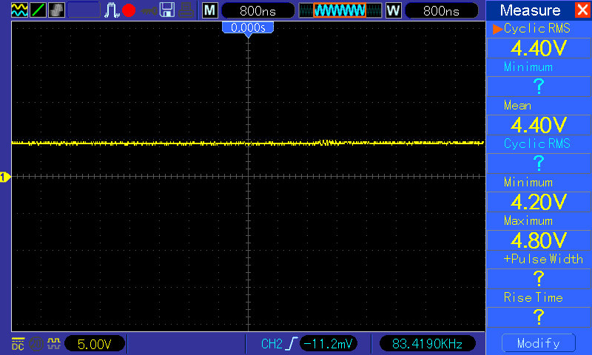
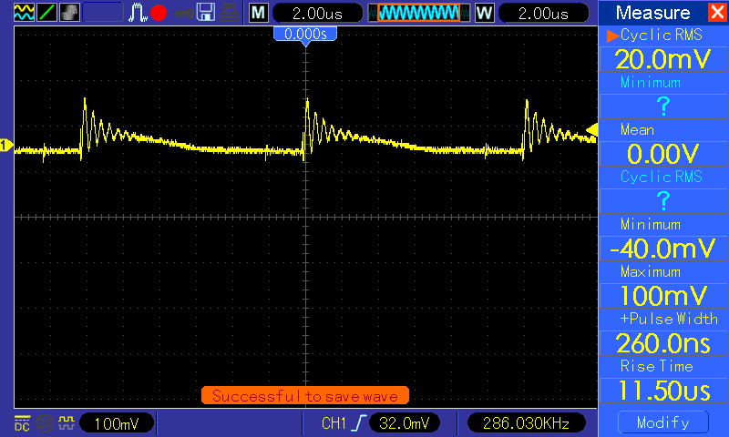
...
Reference : |  | Application Note by Stmicro for Ripple & Noise measurement

Test 1 | Nokia N73 connected directly to adaptor

Vout waveform : Some irregularity seen on output voltage |  |  | Vripple : Waveform after filter when using N73 as load => 308mv Vp-p
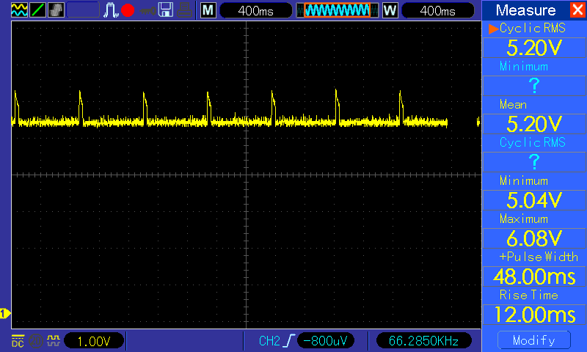
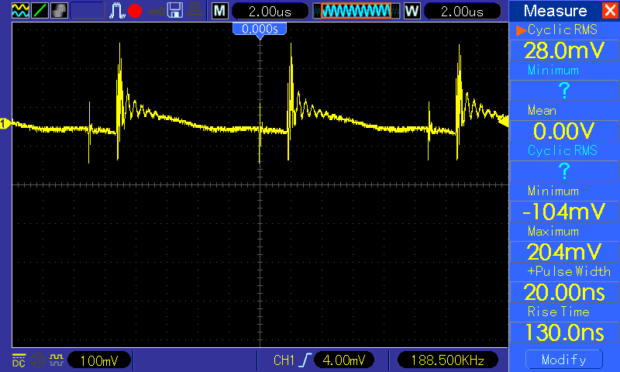

Test 2 | No load
Vout @ no load |  |  | Vripple : @ no load => 132mv Vp-p
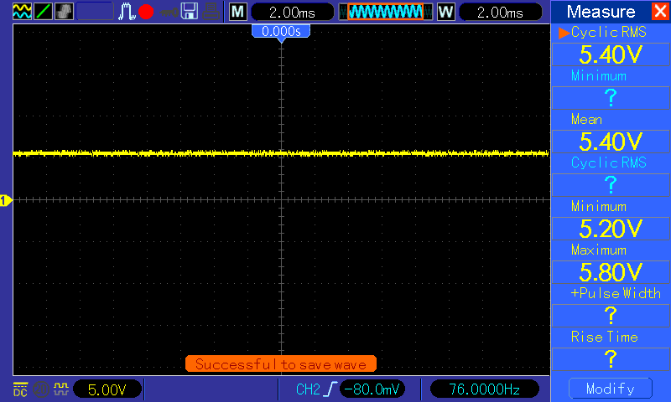
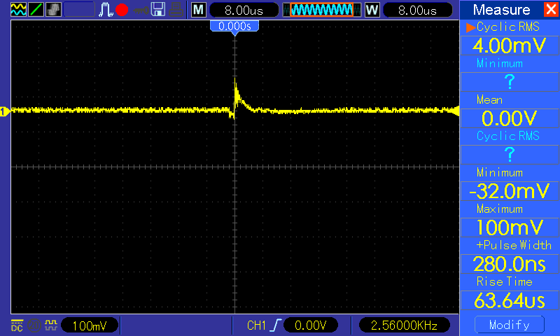

Test 3 | DC electronic load
Vout = set as per Power supply when sinking max. Iload = 450ma |  |  | Vripple => with Iload 450ma is => 188mv
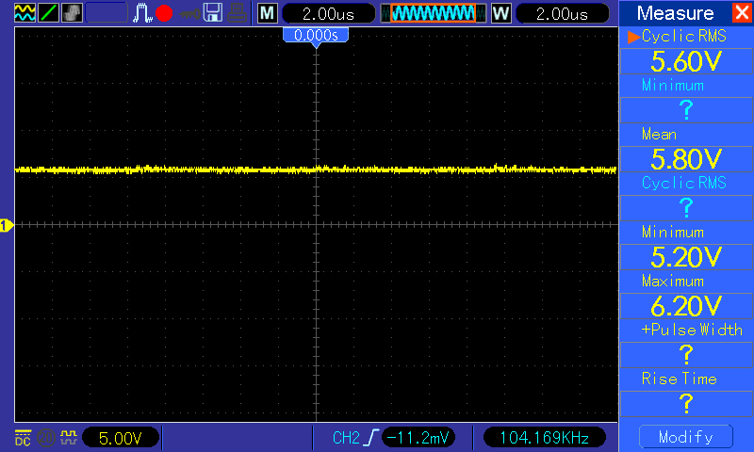
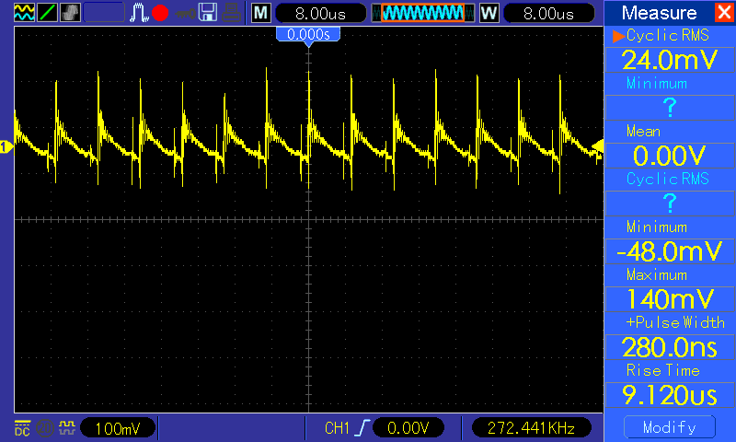

Test 4 | BlackBerry Bold connected 9640 as load
Vout = seem overload condition hence voltage drops downto 4.4v |  |  | Vripple : 140mv

AC Input meas.
...
 | VIN(AC) | IIN(AC) | PIN(AC)(Wattmeter) | Pin (calc.) | VOUT(DC) | ILOAD(DC) | POUT(DC)
1 | 195 | 0.0159 | 3.6 | 3.1005 | 5.6 | 0.45 | 2.515
 |  |  | 3.51
2 | 188 | 0.0087 | 2.04 | 1.6356 | 5.48 | 0.25 | 1.375
 |  |  | 1.94
3 | 189 | 0.0007 | 0 |  | 5.32 | 0 | 0

 | Test Setup : 7 ohm /1% resistor connected in series to AC supply & Hantek connected across this resistor. Hantek set to acquire "peak" detection at Vtrigger of 10V, AC coupling used on CH1 trigger source

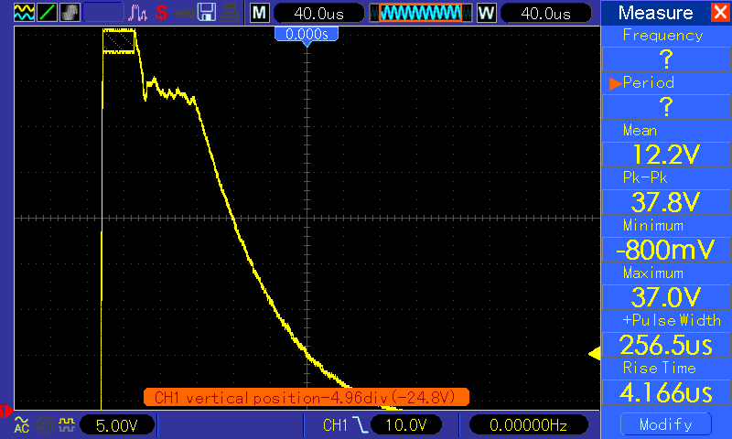
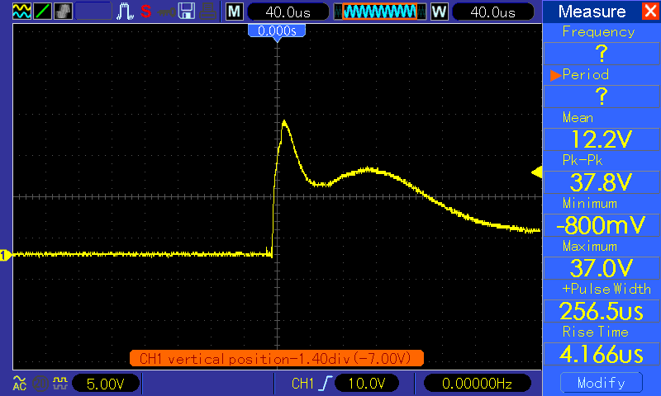

 | Inrush Current => |  | 5.4 | A

